Exportar_resultados_AP
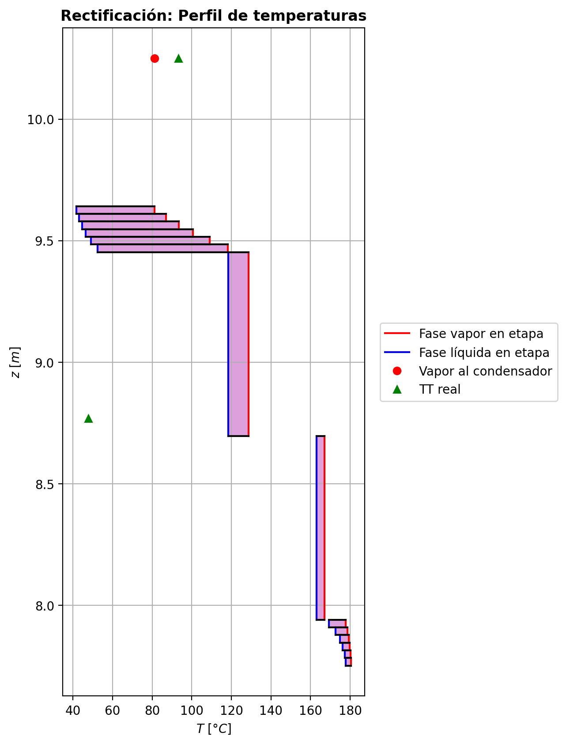
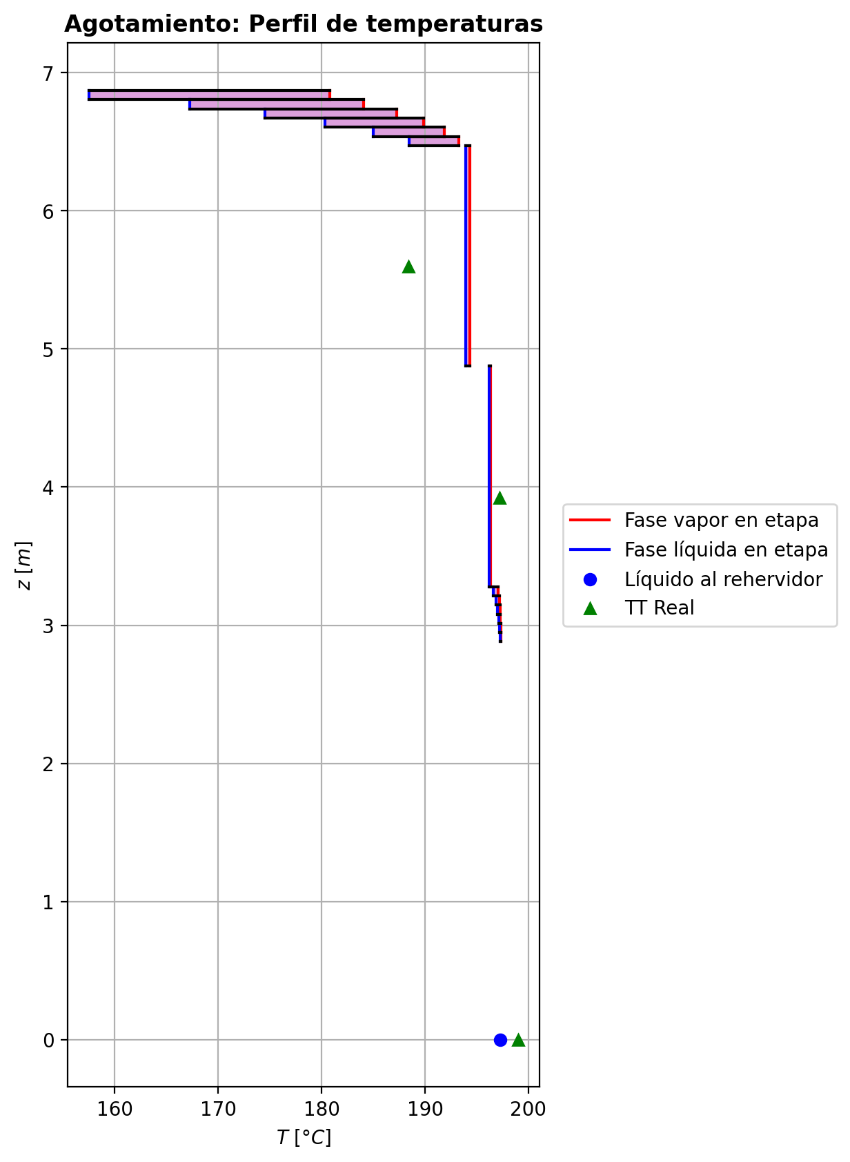
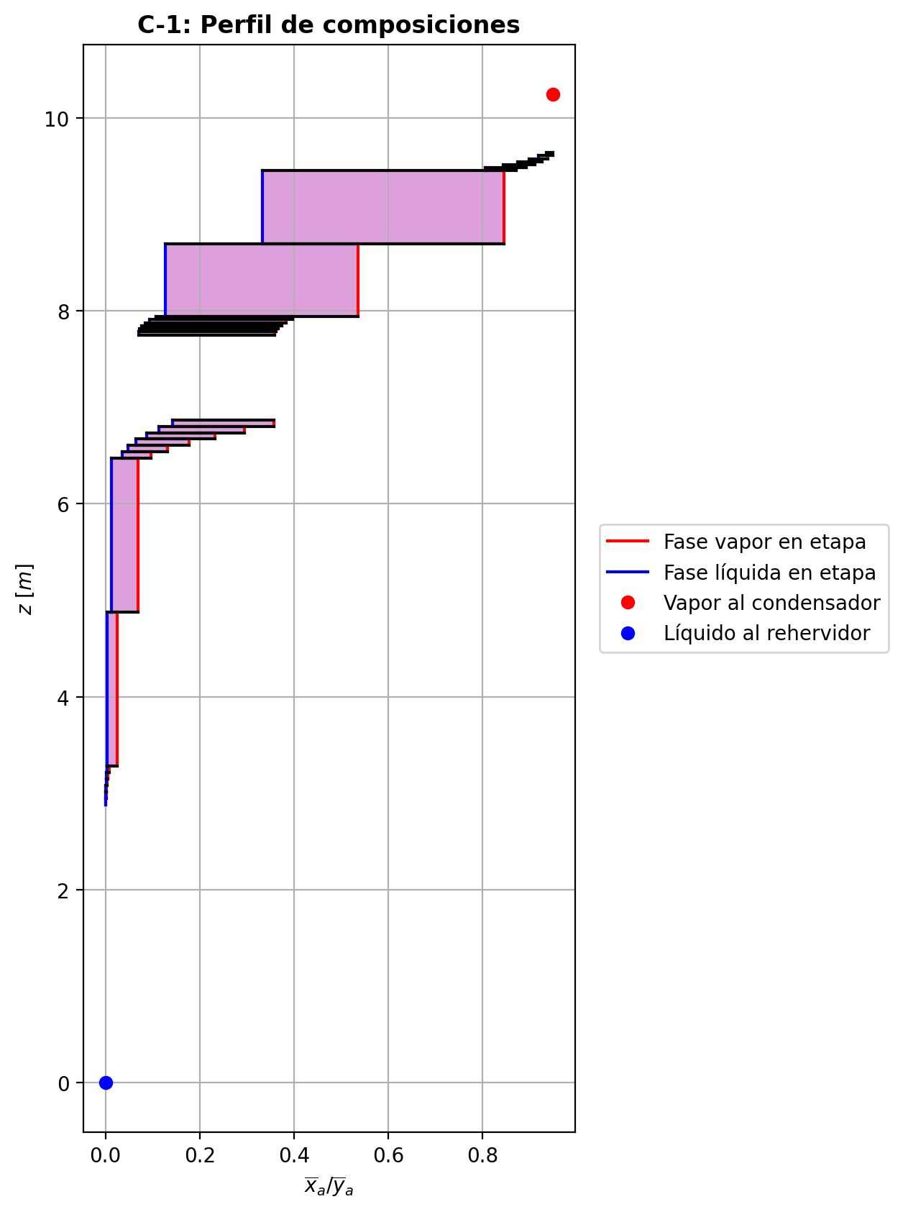
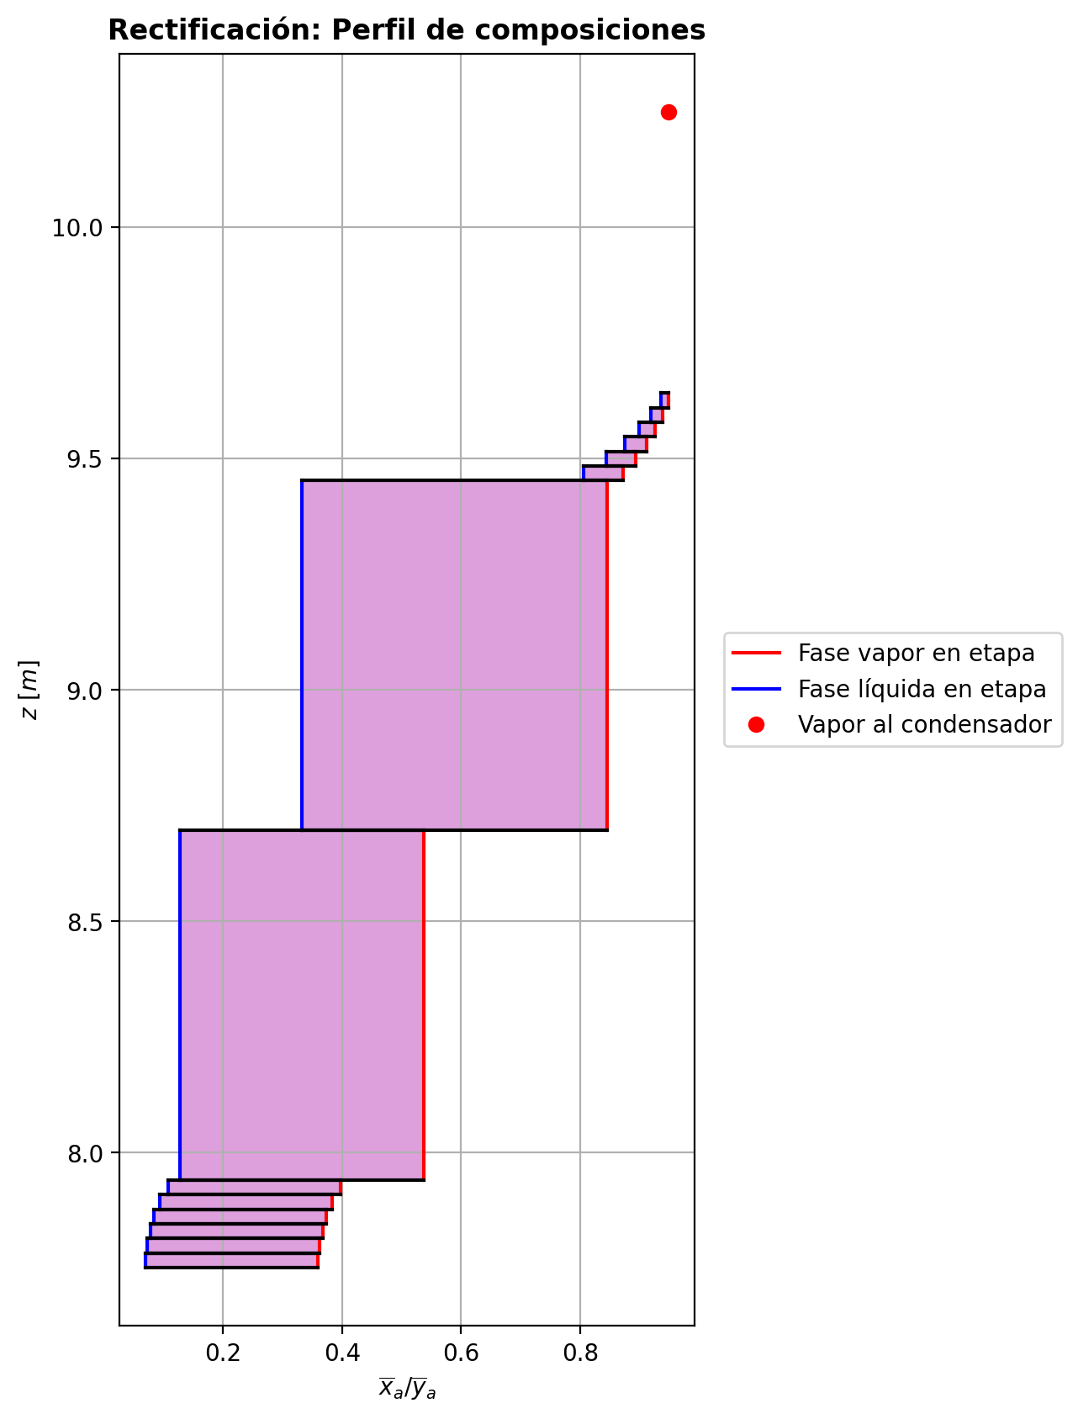
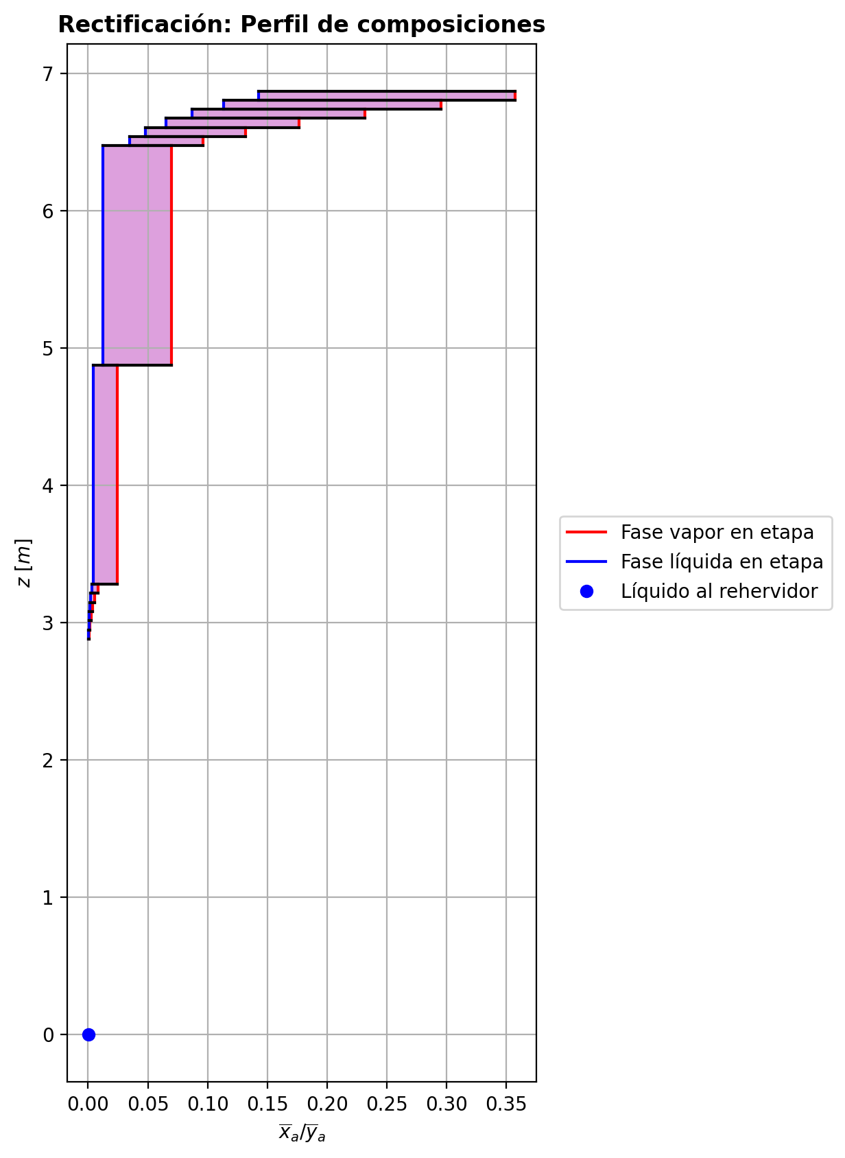
$${\left[N_{t}=N_{a}+N_{w} \right]}_{2}$$
$${\left[N_{t}=N_{a}+N_{w} \right]}_{ps1+ps2−3}$$
$$F_{fría}^{l}+F_{caliente}^{l}=P_{fría}^{l}+P_{caliente}^{l}$$
$${\left[J_{a}^{g}=Γ^{g,b}ρ^{g,b}k_{bm}^{g}a_{ef}A_{tr}Z\left(y_{a}^{b}−y_{a}^{I}\right)\right]}_{2}$$
$${\left(N_{t}\right)}_{2}=V_{3}−V_{2}=L_{2}−{\left(L_{1}−P^{l}\right)}_{E−3}$$
$${\left[J_{a}^{g}=Γ^{g,b}ρ^{g,b}k_{bm}^{g}a_{ef}A_{tr}Z\left(y_{a}^{b}−y_{a}^{I}\right)\right]}_{s}$$
$${\left[N_{t}=N_{a}+N_{w} \right]}_{s}$$
$${\left[J_{a}^{g}=Γ^{g,b}ρ^{g,b}k_{bm}^{g}a_{ef}A_{tr}Z\left(y_{a}^{b}−y_{a}^{I}\right)\right]}_{ps1+ps2−3}$$
Caso | 1 |  |  | Economizador E-1 |  |  |  |  |  |  |  |  | Condensador E-3 (s=1) |  |  |  |  |  |  |  |  | s=2 |  |  |  |  |  |  |  |  |  |  |  |  |  |  | s={3,…,ps1+ps2-4} |  |  |  |  |  |  |  |  |  |  |  |  |  |  |  | s=ps1+ps2-3 |  |  |  |  |  |  |  |  |  |  |  |  |  |  |  |  | Rehervidor E-2 (s=ps1+ps2-2)
ps1 | 16 |  | Representación y balances |  |  |  |  |  |  |  |  |  |  |  |  |  |  |  |  |  |  | Atr [m2] | 0.15904312809 |  |  |  |  |  |  |  |  |  |  |  |  |  | s |  | Atr [m2] | 0.15904312809 |  |  |  |  |  |  |  |  |  |  |  |  | Atr [m2] | 0.15904312809
ps2 | 16 |  |  | Pl [kmol/h]= | 24.8532379 | Fl [kmol/h]= | 31.8674534 | Balance de Masa Total [kmol/h] |  |  |  |  | V2 [kmol/h]= | 30.7409253 |  |  | Balance de Masa Total [kmol/h] |  |  |  |  |  | V2 [kmol/h]= | 30.7409253 |  |  | L1-Pl en E-3 [kmol/h]= | 23.72671353 |  | Balance de Masa Total [kmol/h] |  |  |  |  |  |  |  |  | Vs [kmol/h]= | #VALUE! |  |  | Ls-1 [kmol/h]= | #VALUE! |  | Balance de Masa Total [kmol/h] |  |  |  |  |  |  |  |  | Vps1+ps2-3 [kmol/h]= | 25.0070817 |  |  | Lps1+ps2-4 [kmol/h]= | 49.8603234 |  | Balance de Masa Total [kmol/h] |  |  |  |  |  |  |  | Lps1+ps2-3 [kmol/h]= | 49.8628117 | Vps1+ps2-2 [kmol/h]= | 0.00212938826 |  |  | Balance de Masa Total [kmol/h]
$$V_{2}=L_{1}$$
$${\left[J_{a}^{l}=Γ^{l,b}ρ^{l,b}k_{bm}^{l}a_{ef}A_{tr}Z\left(x_{a}^{I}−x_{a}^{b}\right)\right]}_{2}$$
$${\left[J_{a}^{l}=Γ^{l,b}ρ^{l,b}k_{bm}^{l}a_{ef}A_{tr}Z\left(x_{a}^{I}−x_{a}^{b}\right)\right]}_{s}$$
$${\left(N_{t}\right)}_{s}=V_{s+1}−V_{s}=L_{s}−L_{s−1}−F_{s}^{l}$$
$${\left[J_{a}^{l}=Γ^{l,b}ρ^{l,b}k_{bm}^{l}a_{ef}A_{tr}Z\left(x_{a}^{I}−x_{a}^{b}\right)\right]}_{ps1+ps2−3}$$
$${\left(N_{t}\right)}_{ps1+ps2−3}=V_{ps1+ps2−2}−V_{ps1+ps2−3}+F_{ps1+ps2−3}^{g}=L_{ps1+ps2−3}−L_{ps1+ps2−4}−F_{ps1+ps2−3}^{l}$$
$$L_{ps1+ps2−3}=P_{ps1+ps2−2}^{g}+P_{ps1+ps2−2}^{l}+V_{ps1+ps2−2}$$
flowmode1 | MIXED |  |  | T [°C]= | 61.6581842 | T [°C]= | 22 |  |  |  |  |  | T [°C]= | 81.3208574 |  |  |  |  |  |  |  |  | T [°C]= | 81.3208574 |  |  | T [°C]= | 40.2960806 |  |  |  |  |  |  |  |  |  |  | T [°C]= | #VALUE! |  |  | T [°C]= | #VALUE! |  |  |  |  |  |  |  |  |  |  | T [°C]= | 197.341539 |  |  | T [°C]= | 197.208675 |  |  |  |  |  |  |  |  |  | T [°C]= | 197.26627 | T [°C]= | 197.247765 | Pg [kmol/h]= | 25.0074407
$${\left[Q^{g}=k_{h}^{g}a_{ef}A_{tr}Z\left(T^{g,b}−T^{I}\right)\right]}_{2}$$
$${\left[Q^{g}=k_{h}^{g}a_{ef}A_{tr}Z\left(T^{g,b}−T^{I}\right)\right]}_{s}$$
$${\left[Q^{g}=k_{h}^{g}a_{ef}A_{tr}Z\left(T^{g,b}−T^{I}\right)\right]}_{ps1+ps2−3}$$
$${f_{v}\left(L−P^{l}\right)}_{ps1+ps2−2}=P_{ps1+ps2−2}^{g}$$
flowmode2 | MIXED |  |  | P [bar]= | 14.7096262 | P [bar]= | 18.6326 |  | 56.7206913 | = | 56.7206913 |  | P [bar]= | 14.7091358 |  |  |  | 30.7409253 | = | 30.7409253 |  |  | P [bar]= | 14.7091358 |  |  | P [bar]= | 14.7091358 |  |  | -0.682427443 | = | -0.6824275 | = | -0.68242743 |  |  |  | P [bar]= | #VALUE! |  |  | P [bar]= | #VALUE! |  |  | #VALUE! | = |  | = | #VALUE! |  |  |  | P [bar]= | 14.713817 |  |  | P [bar]= | 14.7137639 |  |  |  | 0.0024883621 | = | 0.00248838826 | = | 0.0024883 |  | P [bar]= | 14.713817 | P [bar]= | 14.7138701 | T [°C]= | 197.355338
$${\left[Q^{l}=k_{h}^{l}a_{ef}A_{tr}Z\left(T^{I}−T^{l,b}\right)\right]}_{2}$$
$${\left[Q^{l}=k_{h}^{l}a_{ef}A_{tr}Z\left(T^{I}−T^{l,b}\right)\right]}_{s}$$
$${\left[Q^{l}=k_{h}^{l}a_{ef}A_{tr}Z\left(T^{I}−T^{l,b}\right)\right]}_{ps1+ps2−3}$$
simtype | 1 |  |  | xa molar= | 0.000462016515 | xa molar= | 0.209145562 |  |  |  |  |  | ya molar= | 0.948567573 |  |  |  |  |  |  |  | z top [m]= | ya molar= | 0.948567573 |  |  | xa molar= | 0.948567573 |  |  |  |  |  |  |  |  |  | z top [m]= | ya molar= | #VALUE! |  |  | xa molar= | #VALUE! |  |  |  |  |  |  |  |  |  | z top [m]= | ya molar= | 0.000931361373 |  |  | xa molar= | 0.00069741318 |  |  |  |  |  |  |  |  |  | xa molar= | 0.000462315663 | ya molar= | 0.00290107057 | P [bar]= | 14.7138701 |  |  | 49.8628117 | = | 49.862807988
$${\left(N_{a}\right)}_{ps1+ps2−3}={\left(Vy_{a}\right)}_{ps1+ps2−2}−{\left(Vy_{a}\right)}_{ps1+ps2−3}+{\left(F^{g}y_{a}\right)}_{ps1+ps2−3}={\left(Lx_{a}\right)}_{ps1+ps2−3}−{\left(Lx_{a}\right)}_{ps1+ps2−4}−{\left(F^{l}x_{a}\right)}_{ps1+ps2−3}$$
pborde1 | 0.1 |  |  | h [kJ/kmol]= | -282955.468 | h [kJ/kmol]= | -243450.458 | Balance de Masa Amoníaco [kmol/h] |  |  |  |  | h [kJ/kmol]= | -55004.9329 |  |  | Balance de Masa Amoníaco [kmol/h] |  |  |  |  | 9.6416 | h [kJ/kmol]= | -55004.9329 |  |  | h [kJ/kmol]= | -77705.459 |  | Balance de Masa Amoníaco [kmol/h] |  |  |  |  |  |  |  | #VALUE! | h [kJ/kmol]= | #VALUE! |  |  | h [kJ/kmol]= | #VALUE! |  | Balance de Masa Amoníaco [kmol/h] |  |  |  |  |  |  |  | 2.9471 | h [kJ/kmol]= | -237267.564 |  |  | h [kJ/kmol]= | -272446.68 |  | Balance de Masa Amoníaco [kmol/h] |  |  |  |  |  |  |  | h [kJ/kmol]= | -272491.358 | h [kJ/kmol]= | -236880.519 | ya molar= | 0.000462405307 |  |  | 25.007440727 | = | 25.0074407
$${\left(F^{l}x_{a,F}\right)}_{fría}+{\left(F^{l}x_{a,F}\right)}_{caliente}={\left(P^{l}x_{a,P}\right)}_{fría}+{\left(P^{l}x_{a,P}\right)}_{caliente}$$
$${\left(Vy_{a}\right)}_{2}={\left(Lx_{a}\right)}_{1}$$
$${\left(N_{a}\right)}_{2}={\left(Vy_{a}\right)}_{3}−{\left(Vy_{a}\right)}_{2}={\left(Lx_{a}\right)}_{2}−{\left[\left(L_{1}−P^{l}\right)x_{a}\right]}_{E−3}$$
$${\left(N_{a}\right)}_{s}={\left(Vy_{a}\right)}_{s+1}−{\left(Vy_{a}\right)}_{s}={\left(Lx_{a}\right)}_{s}−{\left(Lx_{a}\right)}_{s−1}−{\left(F^{l}x_{a}\right)}_{s}$$
nborde1 | 6 |  |  |  |  |  |  |  |  |  |  |  |  |  |  |  |  |  |  |  |  |  |  |  | TI [°C]= | 42.1985033 |  |  |  |  |  |  |  |  |  |  | NO APLICA |  |  |  | TI [°C]= | #VALUE! |  |  |  |  |  |  |  |  |  |  | NO APLICA |  |  |  | TI [°C]= | 197.272093 |  |  |  |  |  |  |  |  |  |  |  |  |  |  |  | h [kJ/kmol]= | -237360.18088
$${\left(N_{a}\right)}_{2}={\left(J_{a}^{g}\right)}_{2}+{\left(N_{t}y_{a}^{b}\right)}_{2}={\left(J_{a}^{l}\right)}_{2}+{\left(N_{t}x_{a}^{b}\right)}_{2}$$
$${\left(N_{a}\right)}_{s}={\left(J_{a}^{g}\right)}_{s}+{\left(N_{t}y_{a}^{b}\right)}_{s}={\left(J_{a}^{l}\right)}_{s}+{\left(N_{t}x_{a}^{b}\right)}_{s}$$
$${\left(N_{a}\right)}_{ps1+ps2−3}={\left(J_{a}^{g}\right)}_{ps1+ps2−3}+{\left(N_{t}y_{a}^{b}\right)}_{ps1+ps2−3}={\left(J_{a}^{l}\right)}_{ps1+ps2−3}+{\left(N_{t}x_{a}^{b}\right)}_{ps1+ps2−3}$$
pborde2 | 0.1 |  |  |  |  |  |  |  | 6.6764190572 | = | 6.6764190572 |  |  |  |  |  |  | 29.159844904 | = | 29.159844904 |  |  | V2b [kmol/h]= | 30.7409253 | yaI molar= | 0.99978666 | L2b [kmol/h]= | 23.0442861 |  |  |  |  |  |  |  |  | Fl Alimentación [kmol/h]= | #VALUE! | Vsb [kmol/h]= | #VALUE! | yaI molar= | #VALUE! | Lsb [kmol/h]= | #VALUE! |  |  |  |  |  |  |  |  | Fl Alimentación [kmol/h]= | - | Vps1+ps2-3b [kmol/h]= | 25.0070817 | yaI molar= | 0.00234606416 | Lps1+ps2-3b [kmol/h]= | 49.8628117 |  |  |  |  |  |  |  |  |  |  |  |  |  |  |  | Balance de Masa Amoníaco [kmol/h]
$${\left(Lx_{a}\right)}_{ps1+ps2−3}={\left(P^{g}y_{a}\right)}_{ps1+ps2−2}+{\left(P^{l}y_{a}\right)}_{ps1+ps2−2}+{\left(Vy_{a}\right)}_{ps1+ps2−2}$$
nborde2 | 6 |  |  | Q̇ [kJ/h]= |  |  |  |  |  |  |  |  | Q̇ [kJ/h]= |  |  |  |  |  |  |  |  |  | Tg,b [°C]= | 81.3208574 | xaI molar= | 0.909880563 | Tl,b [°C]= | 41.8430937 |  |  | -0.951449707 | = | -0.95144977734 | = | -0.95144971271 |  | T [°C]= | #VALUE! | Tg,b [°C]= | #VALUE! | xaI molar= | #VALUE! | Tl,b [°C]= | #VALUE! |  |  | #VALUE! | = |  | = | #VALUE! |  | T [°C]= | - | Tg,b [°C]= | 197.341539 | xaI molar= | 0.000373593808 | Tl,b [°C]= | 197.26627 |  |  |  | -0.011720893 | = | -0.011720879147 | = | -0.011720887848
$$\dot{Q}={{\left(P^{l}h_{P}\right)}_{fría}−\left(F^{l}h_{F}\right)}_{fría}$$
$${\left[\left(L−P^{l}\right)x_{a}\right]}_{ps1+ps2−2}={\left(P^{g}y_{a}\right)}_{ps1+ps2−2}+{\left[\left(L−P^{l}−P^{g}\right)x_{a}\right]}_{ps1+ps2−2}$$
Molar RR | 3.38266284 |  |  | 260028.304 |  |  |  | Balance de Energía [kJ/h] |  |  |  |  | 697835.175 |  |  |  | Balance de Energía [kJ/h] |  |  |  |  |  | P [bar]= | 14.7091358 | Na [kmol/h]= | -0.951449707 | P [bar]= | 14.7091358 |  |  | -0.951449707 | = | -0.951449707 | = | -0.951449707 |  | P [bar]= | #VALUE! | P [bar]= | #VALUE! | Na [kmol/h]= | #VALUE! | P [bar]= | #VALUE! |  |  | #VALUE! | = | #VALUE! | = | #VALUE! |  | P [bar]= | - | P [bar]= | 14.713817 | Na [kmol/h]= | -0.011720893 | P [bar]= | 14.713817 |  |  |  | -0.011720893 | = | -0.011720893 | = | -0.011720893 |  |  |  | Lps1+ps2-2-Pl-Pg [kmol/h]= | 0.0250325
$$\dot{Q}={\left(Vh\right)}_{2}−{\left(Lh\right)}_{1}$$
Molar BR | 1.00629029 |  |  |  |  |  |  |  |  |  |  |  |  |  |  |  |  |  |  |  |  |  | yab molar= | 0.948567573 | Nw [kmol/h]= | 0.269022264 | xab molar= | 0.935370324 |  |  |  |  |  |  |  |  | xa molar= | #VALUE! | yab molar= | #VALUE! | Nw [kmol/h]= | #VALUE! | xab molar= | #VALUE! |  |  |  |  |  |  |  |  | xa molar= | - | yab molar= | 0.000931361373 | Nw [kmol/h]= | 0.0142092551 | xab molar= | 0.000462315663 |  |  |  |  |  |  |  |  |  |  |  | T [°C]= | 197.355338 |  |  |  |  | 0.02305235885 | = | 0.023052357161
$$\dot{Q}={\left(F^{l}h_{F}\right)}_{caliente}−{\left(P^{l}h_{P}\right)}_{caliente}$$
$$E_{ps1+ps2−3}={\left(Vh\right)}_{ps1+ps2−2}−{\left(Vh\right)}_{ps1+ps2−3}+{\left(F^{g}h\right)}_{ps1+ps2−3}={\left(Lh\right)}_{ps1+ps2−3}−{\left(Lh\right)}_{ps1+ps2−4}−{\left(F^{l}h\right)}_{ps1+ps2−3}$$
Molar fv Reboiler | 0.999 |  |  |  |  |  |  |  |  |  |  |  | L1 [kmol/h]= | 30.7409253 |  |  |  | 697835.175 | = | 697835.17711 |  |  |  |  | Nt [kmol/h]= | -0.682427443 |  |  |  | Balance de Energía [kJ/h] |  |  |  |  |  |  | h [kJ/kmol]= | #VALUE! |  |  | Nt [kmol/h]= | #VALUE! |  |  |  | Balance de Energía [kJ/h] |  |  |  |  |  |  | h [kJ/kmol]= | - |  |  | Nt [kmol/h]= | 0.0024883621 |  |  |  | Balance de Energía [kJ/h] |  |  |  |  |  |  |  |  |  | P [bar]= | 14.7138701 |  |  |  |  | 0.01156541603 | = | 0.011565416005
$$E_{2}={\left(Vh\right)}_{3}−{\left(Vh\right)}_{2}={\left(Lh\right)}_{2}−{\left[\left(L_{1}−P^{l}\right)h\right]}_{E−3}$$
$$E_{s}={\left(Vh\right)}_{s+1}−{\left(Vh\right)}_{s}={\left(Lh\right)}_{s}−{\left(Lh\right)}_{s−1}−{\left(F^{l}h\right)}_{s}$$
$$E_{ps1+ps2−3}={\left(Q^{g}\right)}_{ps1+ps2−3}+{\left(ΣN_{i}{\hat{h}}_{i}^{g,b}\right)}_{ps1+ps2−3}={\left(Q^{l}\right)}_{ps1+ps2−3}+{\left(ΣN_{i}{\hat{h}}_{i}^{l,b}\right)}_{ps1+ps2−3}$$
Mass xa Distillate | 0.945755028 |  |  | Fl=Pl en E-2 [kmol/h]= | 24.8532379 | Pl=Fl Alimentación [kmol/h]= | 31.8674534 |  | 260028.304 | = | 260028.31776 |  | T [°C]= | 40.2960806 |  |  |  |  |  |  |  |  |  |  | E [kJ/h]= | -14911.8765 |  |  |  |  |  |  |  |  |  |  |  |  |  |  | E [kJ/h]= | #VALUE! |  |  |  |  |  |  |  |  |  |  |  |  |  |  | E [kJ/h]= | -2905.68612 |  |  |  |  |  |  |  |  |  |  |  |  |  | xa molar= | 7.36127372E-05
$$E_{2}={\left(Q^{g}\right)}_{2}+{\left(ΣN_{i}{\hat{h}}_{i}^{g,b}\right)}_{2}={\left(Q^{l}\right)}_{2}+{\left(ΣN_{i}{\hat{h}}_{i}^{l,b}\right)}_{2}$$
$$E_{s}={\left(Q^{g}\right)}_{s}+{\left(ΣN_{i}{\hat{h}}_{i}^{g,b}\right)}_{s}={\left(Q^{l}\right)}_{s}+{\left(ΣN_{i}{\hat{h}}_{i}^{l,b}\right)}_{s}$$
Mass xa Bottoms | 0.000436773599 |  |  | T [°C]= | 197.247765 | T [°C]= | 118.333439 |  | 260028.304 | = | 260028.31875 |  | P [bar]= | 14.7091358 |  |  | Relación |  |  |  |  | z lower [m]= | V3 [kmol/h]= | 30.0584978 |  |  | L2 [kmol/h]= | 23.0442861 |  |  |  |  |  |  |  |  |  | z lower [m]= | Vs+1 [kmol/h]= |  |  |  | Ls [kmol/h]= | #VALUE! |  |  |  |  |  |  |  |  |  | z lower [m]= | Vps1+ps2-2 [kmol/h]= | 0.00212938826 | Fg=Pg en E-2 [kmol/h]= | 25.0074407 | Lps1+ps2-3 [kmol/h]= | 49.8628117 |  |  |  |  |  |  |  |  |  |  |  | h [kJ/kmol]= | -272565.72456 |  | Q̇ [kJ/h]= | Balance de Energía [kJ/h]
$$RR=\frac{L_{1}−{\left(P^{l}\right)}_{1}}{{\left(P^{l}\right)}_{1}}$$
$${\left(Lh\right)}_{ps1+ps2−3}={\left(P^{g}h\right)}_{ps1+ps2−2}+{\left(P^{l}h\right)}_{ps1+ps2−2}+{\left(Vh\right)}_{ps1+ps2−2}−\dot{Q}$$
 |  |  |  | P [bar]= | 14.7138701 | P [bar]= | 18.6234701 |  |  |  |  |  | xa molar= | 0.948567573 |  |  |  |  |  |  |  | 9.6101 | T [°C]= | 86.9500186 |  |  | T [°C]= | 41.8430937 |  |  | -14911.8765 | = | -14911.872339 | = | -14911.876113 |  |  | #VALUE! | T [°C]= |  |  |  | T [°C]= | #VALUE! |  |  | #VALUE! | = |  | = | #VALUE! |  |  | 2.8806 | T [°C]= | 197.247765 | T [°C]= | 197.355338 | T [°C]= | 197.26627 |  |  |  | -2905.68612 | = | -2905.7008338 | = | -2905.699775 |  |  |  |  |  |  | 878578.456
$$\dot{Q}={\left(P^{g}h\right)}_{ps1+ps2−2}−{\left[\left(L−P^{l}\right)h\right]}_{ps1+ps2−2}+{\left[\left(L−P^{l}−P^{g}\right)h\right]}_{ps1+ps2−2}$$
 |  |  |  | xa molar= | 0.000462016515 | xa molar= | 0.209145562 |  |  |  |  |  | h [kJ/kmol]= | -77705.459 |  |  |  | 3.38266284 | = | 3.3826628434 |  |  | P [bar]= | 14.7091667 |  |  | P [bar]= | 14.7091358 |  |  | -14911.8765 | = | -14911.87647 | = | -14911.87647 |  |  |  | P [bar]= |  |  |  | P [bar]= | #VALUE! |  |  | #VALUE! | = | #VALUE! | = | #VALUE! |  |  |  | P [bar]= | 14.7138701 | P [bar]= | 14.7138701 | P [bar]= | 14.713817 |  |  |  | -2905.68612 | = | -2905.6861237 | = | -2905.686125
 |  |  |  | h [kJ/kmol]= | -272492.915 | h [kJ/kmol]= | -235290.775 |  |  |  |  |  |  |  |  |  |  |  |  |  |  | Z [m]= | ya molar= | 0.938449929 |  |  | xa molar= | 0.935370324 |  |  |  |  |  |  |  |  |  | Z [m]= | ya molar= |  |  |  | xa molar= | #VALUE! |  |  |  |  |  |  |  |  |  | Z [m]= | ya molar= | 0.00290107057 | ya molar= | 0.000462405307 | xa molar= | 0.000462315663 |  |  |  |  |  |  |  |  |  |  |  |  |  |  |  |  |  | -13587185.274 | = | -13587184.757
 |  |  |  |  | Caliente | Fría |  |  |  |  |  |  | L1-Pl [kmol/h]= | 23.72671353 | Pl [kmol/h]= | 7.01421177 |  |  |  |  |  | 0.0315 | h [kJ/kmol]= | -56749.8222 |  |  | h [kJ/kmol]= | -80653.7045 |  |  |  |  |  |  |  |  |  | #VALUE! | h [kJ/kmol]= |  |  |  | h [kJ/kmol]= | #VALUE! |  |  |  |  |  |  |  |  |  | 0.0665 | h [kJ/kmol]= | -236880.519 | h [kJ/kmol]= | -237360.18088 | h [kJ/kmol]= | -272491.358 |  |  |  |  |  |  |  |  |  | Pl [kmol/h]= | 24.8532379 | Lps1+ps2-2-Pl [kmol/h]= | 25.0324732 |  |  |  |  | 878578.456 | = | 878577.9564
 |  |  |  |  |  |  |  |  |  |  |  |  | T [°C]= | 40.2960806 | T [°C]= | 40.2960806 |  |  |  |  |  |  |  | Vapor |  |  | Líquido |  |  |  |  |  |  |  |  |  |  |  |  | Vapor |  |  | Líquido |  |  |  |  |  |  |  |  |  |  |  |  | Vapor |  |  | Líquido |  |  |  |  |  |  |  |  |  |  | T [°C]= | 197.247765 | T [°C]= | 197.247765
$$f_{v}=\frac{P_{ps1+ps2−2}^{g}}{{\left(L−P^{l}\right)}_{ps1+ps2−2}}$$
 |  |  |  |  |  |  |  |  |  |  |  |  | P [bar]= | 14.7091358 | P [bar]= | 14.7091358 |  |  |  |  |  | Transferencia de masa y calor |  |  |  |  |  |  |  |  |  |  |  |  |  |  |  | Transferencia de masa y calor |  |  |  |  |  |  |  |  |  |  |  |  |  |  |  | Transferencia de masa y calor |  |  |  |  |  |  |  |  |  |  |  |  |  |  |  | P [bar]= | 14.7138701 | P [bar]= | 14.7138701 |  |  | Relación
$$BR=\frac{P_{ps1+ps2−2}^{g}}{P_{ps1+ps2−2}^{l}}$$
 |  |  |  |  |  |  |  |  |  |  |  |  | xa molar= | 0.948567573 | xa molar= | 0.948567573 |  |  |  |  |  | Difusión |  | Convección |  | aef [m2/m3] | 512.84189008 | khg [kJ/h·m2·°C] | 76.46372928 |  |  |  |  |  |  |  |  | Difusión |  | Convección |  | aef [m2/m3] | #VALUE! | khg [kJ/h·m2·°C] | #VALUE! |  |  |  |  |  |  |  |  | Difusión |  | Convección |  | aef [m2/m3] | 424.24050226 | khg [kJ/h·m2·°C] | 57.75471504 |  |  |  |  |  |  |  |  | xa molar= | 0.000462016515 | xa molar= | 0.000462016515
 |  |  |  |  |  |  |  |  |  |  |  |  | h [kJ/kmol]= | -77705.459 | h [kJ/kmol]= | -77705.459 |  |  |  |  |  | Jag [kmol/h]= | -0.30412116364 | Ntyab [kmol/h]= | -0.64732854336 | kbmg [m/h] | 3.9426819767 | khl [kJ/h·m2·°C] | 3263.7721428 |  |  |  |  |  |  |  |  | Jag [kmol/h]= | #VALUE! | Ntyab [kmol/h]= | #VALUE! | kbmg [m/h] | #VALUE! | khl [kJ/h·m2·°C] | #VALUE! |  |  |  |  |  |  |  |  | Jag [kmol/h]= | -0.011723210564 | Ntyab [kmol/h]= | 2.317564342E-06 | kbmg [m/h] | 4.4650145367 | khl [kJ/h·m2·°C] | 8878.452948 |  |  |  |  |  |  |  |  | h [kJ/kmol]= | -272492.915 | h [kJ/kmol]= | -272492.91556
 |  |  |  |  |  |  |  |  |  |  |  |  |  |  |  |  |  |  |  |  |  | Jal [kmol/h]= | -0.31312732853 | Ntxab [kmol/h]= | -0.63832237847 | kbml [m/h] | 0.12980907333 |  |  |  |  |  |  |  |  |  |  | Jal [kmol/h]= | #VALUE! | Ntxab [kmol/h]= | #VALUE! | kbml [m/h] | #VALUE! |  |  |  |  |  |  |  |  |  |  | Jal [kmol/h]= | -0.011722043409 | Ntxab [kmol/h]= | 1.150408774E-06 | kbml [m/h] | 0.61096479824 |  |  |  |  |  |  |  |  |  |  |  |  |  |  |  |  |  |  | 1.00629029 | = | 1.0062045356
 |  |  |  |  |  |  |  |  |  |  |  |  | Nota: En lo exportado de Aspen Plus, deben ser iguales las propiedades en la salida líquida (al ser un divisor). Se usan promedios en T, P, xa y h en L1-Pl para validarlo. |  |  |  |  |  |  |  |  | Qg [kJ/h]= | 7685.80583 | ΣNiĥig,b [kJ/h]= | -22597.6823 | Γg,b | 1.0609697857 |  |  |  |  |  |  |  |  |  |  | Qg [kJ/h]= | #VALUE! | ΣNiĥig,b [kJ/h]= | #VALUE! | Γg,b | #VALUE! |  |  |  |  |  |  |  |  |  |  | Qg [kJ/h]= | 17.9963163 | ΣNiĥig,b [kJ/h]= | -2923.68244 | Γg,b | 0.99985118806 |  |  |  |  |  |  |  |  |  |  | Q̇ [kJ/h] mediante la suposición de estado cuasi-estacionario del aceite térmico= |  |  |  |  | 895784.76622 |  |  | 0.999 | = | 0.99899999893
$$\dot{Q}={\overline{L}}_{t66}\left[{\overline{h}}_{t66}\left(TT−6\right)−{\overline{h}}_{t66}\left(TT−7\right)\right]$$
 |  |  |  |  |  |  |  |  |  |  |  |  |  |  |  |  |  |  |  |  |  | Ql [kJ/h]= | 2980.28593 | ΣNiĥil,b [kJ/h]= | -17892.1624 | Γl,b | 1.0301903276 |  |  |  |  |  |  |  |  |  |  | Ql [kJ/h]= | #VALUE! | ΣNiĥil,b [kJ/h]= | #VALUE! | Γl,b | #VALUE! |  |  |  |  |  |  |  |  |  |  | Ql [kJ/h]= | 231.942035 | ΣNiĥil,b [kJ/h]= | -3137.62816 | Γl,b | 1.0008710005
 |  |  |  |  |  |  |  |  |  |  |  |  |  |  |  |  |  |  |  |  |  |  |  |  |  |  |  |  |  |  |  |  |  |  |  |  |  |  |  |  |  |  |  |  |  |  |  |  |  |  |  |  |  |  |  |  |  |  |  |  |  |  |  |  |  |  |  |  |  | TT-6 [°C]= | 224.8002 | FIC-1 [m3/h]= | 84.4479
Economizador |  |  |  |  |  |  |  |  |  |  |  |  |  |  |  |  |  |  |  |  |  |  |  |  |  |  |  |  |  |  |  |  |  |  |  |  |  |  |  |  |  |  |  |  |  |  |  |  |  |  |  |  |  |  |  |  |  |  |  |  |  |  |  |  |  |  |  |  |  | TT-7 [°C]= | 219.4579 | FIC-1 [kmol/h]= | 291.6980604
Ubicación | Flujos |  |  |  | Masa |  |  |  | Energía |  |  |  |  |  |  |  |  | Hidráulica
Equipo | Fl Fría [kmol/h] | Pl Fría [kmol/h] | Fl Caliente [kmol/h] | Pl Caliente [kmol/h] | xa molar en Fl Fría | xa molar en Pl Fría | xa molar en Fl Caliente | xa molar en Pl Caliente | Tl en Fl Fría [°C] | Tl en Pl Fría [°C] | Tl en Fl Caliente [°C] | Tl en Pl Caliente [°C] | Q̇ [kJ/h] | hl en Fl Fría [kJ/kmol] | hl en Pl Fría [kJ/kmol] | hl en Fl Caliente [kJ/kmol] | hl en Pl Caliente [kJ/kmol] | P en Fl Fría [bar] | P en Pl Fría [bar] | P en Fl Caliente [bar] | P en Pl Caliente [bar] |  |  |  |  |  |  |  |  |  |  |  |  |  |  |  |  |  |  |  |  |  |  |  |  |  |  |  |  |  |  |  |  |  |  |  |  |  |  |  |  |  |  |  |  |  |  |  |  | Nota: Las propiedades de Lps1+ps2-2-Pl son las de Lps1+ps2-2, las cuales deben ser iguales a las de Pl, pero por la recirculación en Aspen Plus se exportan valores muy cercanos entre sí. Se calcula h de Lps1+ps2-2-Pl mediante Aspen Custom Modeler para validar la esperada simulitud con la de Pl. Por otra parte, se esperaría que se evapore toda la entrada al Rehervidor, es decir, fv≈1 y por lo tanto, la corriente Lps1+ps2-2-Pl-Pg no existiría o tendría poco efecto en la etapa.
Economizador E-1 | 31.8674534 | 31.8674534 | 24.8532379 | 24.8532379 | 0.209145562 | 0.209145562 | 0.000462016515 | 0.000462016515 | 22 | 118.333439 | 197.247765 | 61.6581842 | 260028.304 | -243450.458 | -235290.775 | -272492.915 | -282955.468 | 18.6326 | 18.6234701 | 14.7138701 | 14.7096262

Condensador y Rehervidor
Ubicación |  |  | Flujos |  |  |  | Masa |  |  |  | Energía |  |  |  |  |  |  |  |  | Hidráulica |  |  |  |  | Retorno de líquido de E-2 al sumidero |  |  |  |  |  | Caída de presión a sumidero |  |  |  |  |  | Nota: AP no está considerando la caída de presión en el sumidero por el nivel del agua. Lo calcula mediante la altura en la última etapa; pero está presión estática si es muy similar calculada con el nivel del agua.
Equipo | s | z [m] | V [kmol/h] | L [kmol/h] | Pg [kmol/h] | Pl [kmol/h] | ya molar en V | xa molar en L | ya molar en Pg | xa molar en Pl | Tg en V [°C] | Tl en L [°C] | Tg en Pg [°C] | Tl en Pl [°C] | Q̇ [kJ/h] | hg en V [kJ/kmol] | hl en L [kJ/kmol] | hg en Pg [kJ/kmol] | hl en Pl [kJ/kmol] | P en V [bar] | P en L [bar] | P en Pg [bar] | P en Pl [bar] |  | Flujo molar [kmol/h] | xa molar | Tl [°C] | hl [kJ/kmol] | P [bar] |  | z [m] | ρl [kg/m3] | ΔP [bar] AP | P estática [bar] cal | P estática [bar] AP
$$We=\frac{ρU_{sp}^{2}}{a_{p}σ}$$
Condensador E-3 | 1 | 10.2497 | - | 30.7409253 | - | 7.01421177 | - | 0.948567573 | - | 0.948567573 | - | 40.2960806 | - | 40.2960806 | -697835.175 | - | -77705.459 | - | -77705.459 | - | 14.7091358 | - | 14.7091358 |  | 0.0250325 | 7.36127372E-05 | 197.355338 | -272565.72456 | 14.7138701 |  | 1.467753765 | 867.502631 | 5.3099999999E-05 | 0.12486613791 | Ver AP - Nota ❤️ | → | Nota ❤️: En Tab: "C-1 Column Internals INT-1 - Column Hydraulic Results" y valor en "Pressure drop across sump"
$$d_{h}=\frac{4ε}{a_{p}}$$
$$U_{sp}^{g}=\frac{V}{ρA_{tr}}$$
$$U_{sp}^{l}=\frac{L}{ρA_{tr}}$$
$$Sc=\frac{μ}{ρD_{bm}}$$
$$Re=\frac{ρU_{sp}}{a_{p}μ}$$
$$Re=\frac{d_{h}ρU_{sp}}{μ}$$
$$We=\frac{d_{h}ρU_{sp}^{2}}{σ}$$
$$Fr=\frac{a_{p}U_{sp}^{2}}{g_{c}}$$
$$Fr=\frac{U_{sp}^{2}}{g_{c}d_{h}}$$
Rehervidor E-2 | 30 | 0 | 0.00212938826 | 49.8857111 | 25.0074407 | 24.8532379 | 0.00290107057 | 0.000462016515 | 0.000462405307 | 0.000462016515 | 197.247765 | 197.247765 | 197.355338 | 197.247765 | 878578.456 | -236880.519 | -272492.91556 | -237360.18088 | -272492.915 | 14.7138701 | 14.7138701 | 14.7138701 | 14.7138701
 |  |  |  |  |  |  |  |  |  |  |  |  |  |  |  |  |  |  |  |  |  |  |  |  |  |  |  |  |  |  |  |  |  |  |  |  |  |  |  |  |  |  |  |  |  |  |  |  |  |  |  |  |  |  |  |  |  |  | Atr [m2] | 0.15904312809 | ε | 0.982 | ap [m2/m3] | 353 | θ [rad] | 0.7853981634 | gc [m/s2] | 9.80665 | dh [m] | 0.011127478754
Etapas |  |  |  |  |  |  |  |  |  |  |  |  |  |  |  |  |  |  |  |  |  |  |  |  |  |  |  |  |  |  |  |  |  |  |  |  |  |  |  |  |  |  |  |  |  |  |  |  |  |  |  |  | Real | Simulación T [°C] |  | Ubicación |  |  | Propiedades de bulk comprobadas en ACM
Ubicación de etapa |  |  |  | Flujos (cumplir balances de matería y energía ME) |  |  |  |  |  | Área R | Transferencia de masa RM |  |  |  |  |  |  |  |  |  |  |  |  |  |  |  |  |  |  | Transferencia de energía RE, cumplir equilibrio Q |  |  |  |  |  |  |  |  |  |  |  |  |  |  |  |  |  | Hidráulica H |  |  |  |  |  | g | l | Etapa | Posición [m] |  | Primarias |  |  |  |  |  |  |  |  |  |  |  |  |  |  | Secundarias |  |  |  |  |  |  |  |  |  |  |  |  |  | Ecs. R |  |  |  |  |  | Aproximaciones propuestas ACM |  |  |  |  |  |  |  |  | Ecs. H ACM | Transferencia de ME e interfase
Zona | s | z top [m] | z lower [m] | Fg [kmol/h] | Fl [kmol/h] | V [kmol/h] | L [kmol/h] | Vb [kmol/h] | Lb [kmol/h] | aefAtrZ [m2] | ya molar en Fg | xa molar en Fl | ya molar en V | yab molar | yaI molar | xaI molar | xab molar | xa molar en L | kbmg [m/h] | kbml [m/h] | Na [kmol/h] | Nw [kmol/h] | Nt [kmol/h] | Jag [kmol/h] | Γg,b≈1 | Ntyab [kmol/h] | Jal [kmol/h] | Γl,b | Ntxab [kmol/h] | Tg en Fg [°C] | Tl en Fl [°C] | Tg [°C] | Tg,b [°C] | TI [°C] | Tl,b [°C] | Tl [°C] | khg [kJ/h·m2·°C] | khl [kJ/h·m2·°C] | E [kJ/h] | Qg [kJ/h] | ΣNiĥig,b [kJ/h] | Ql [kJ/h] | ΣNiĥil,b [kJ/h] | hg en Fg [kJ/kmol] | hl en Fl [kJ/kmol] | hg en V [kJ/kmol] | hl en L [kJ/kmol] | P en Fg [bar] | P en Fl [bar] | P [bar] |  | TT1 [°C] | 199.0108 | - | 197.247765 | 30 | 10.2497 |  | ρg,b [kmol/m3] AP | ρl,b [kmol/m3] AP | ρg,b [kmol/m3] ACM | ρl,b [kmol/m3] ACM | Dbmg,b [m2/h] AP | Dbml,b [m2/h] AP | Dbmg,b [m2/h] ACM | Dbml,b [m2/h] ACM | Cpg,b [kJ/kmol·K] ACM | Cpl,b [kJ/kmol·K] ACM | κg,b [kJ/h·m·K] ACM | κl,b [kJ/h·m·K] ACM | μg,b [kg/h·m] ACM | μl,b [kg/h·m] ACM | σl,b [kg/h2] ACM | Uspg [m/h] ACM | Uspl [m/h] ACM | Scg AP | Scl AP | Scg ACM | Scl ACM | 4εReg AP | 4εRel AP | Reg ACM | Rel ACM | 4εWel AP | Wel ACM | Frl/(4ε) AP | Frl ACM | kbmg [m/h] ACM | kbml [m/h] ACM | khg [kJ/h·m2·°C] ACM | khl [kJ/h·m2·°C] ACM | aef [m2/m3] AP | aef [m2/m3] ACM | ug,b [kJ/kmol] | ul,b [kJ/kmol] | Γl,b | ĥag,b [kJ/kmol] | ĥwg,b [kJ/kmol] | ĥal,b [kJ/kmol] | ĥwl,b [kJ/kmol] | ΣNiĥig,b [kJ/h] | ΣNiĥil,b [kJ/h] | ΔP [bar] | Na [kmol/h] | Nt [kmol/h] | E [kJ/h] | yaI molar | xaI molar | TI [°C]
Rectificación | 2 | 9.6416 | 9.6101 | - | - | 30.7409253 | 23.0442861 | 30.7409253 | 23.0442861 | 2.56926532 | - | - | 0.948567573 | 0.948567573 | 0.99978666 | 0.909880563 | 0.935370324 | 0.935370324 | 3.9426819767 | 0.12980907333 | -0.951449707 | 0.269022264 | -0.682427443 | -0.30412116364 | 1.0609697857 | -0.64732854336 | -0.31312732853 | 1.0301903276 | -0.63832237847 | - | - | 81.3208574 | 81.3208574 | 42.1985033 | 41.8430937 | 41.8430937 | 76.46372928 | 3263.7721428 | -14911.8765 | 7685.80583 | -22597.6823 | 2980.28593 | -17892.1624 | - | - | -55004.9329 | -80653.7045 | - | - | 14.7091358 |  | TT2 [°C] | 197.202 | 197.094981 | 196.608679 | 24 | 8.7696 |  | 0.552473043 | 35.753926 | 0.55247305526 | 35.753926527 | 0.007226411112 | 2.22427566E-05 | 0.0072264108774 | 2.224275479E-05 | 47.994825095 | 84.576784071 | 0.11985757841 | 1.6125876815 | 0.043885394092 | 0.44953287483 | 272246.27156 | 349.85756941 | 4.052518032 | 0.643528387 | 33.0674153 | 0.64352838229 | 33.067419513 | 837.13853382 | 61.31017111 | 837.13922467 | 61.310216601 | 0.00041025761891 | 0.00041025825012 | 1.1608562449E-05 | 1.1612546367E-05 | 3.9426850863 | 0.12980916582 | 76.463791192 | 3263.7747029 | 512.84189008 | 510.65344768 | -57667.350004 | -80694.845082 | 1.0400258806 | -44765.392582 | -243852.64461 | -65585.852159 | -298727.25001 | -23009.770881 | -17962.641296 | 2.870115204E-06 | -0.92165023325 | -0.67069511312 | -12268.254584 | 0.99979191439 | 0.91153788573 | 42.112763132
Rectificación | 3 | 9.6101 | 9.5786 | - | - | 30.0584978 | 22.2324806 | 30.0584978 | 22.2324806 | 2.56907611 | - | - | 0.938449929 | 0.938449929 | 0.99971003 | 0.888174587 | 0.919096755 | 0.919096755 | 3.9234817708 | 0.12405158928 | -1.12114054 | 0.309335105 | -0.811805435 | -0.35930178716 | 1.0743509443 | -0.76183875284 | -0.375012799 | 1.0537825222 | -0.746127741 | - | - | 86.9500186 | 86.9500186 | 43.3611625 | 43.080159 | 43.080159 | 74.52882108 | 3119.2631568 | -16482.0004 | 8345.9676 | -24827.968 | 2251.85662 | -18733.8571 | - | - | -56749.8222 | -84340.073 | - | - | 14.7091667 |  | TT3 [°C] | 188.3716 | 196.334838 | 196.171177 | 23 | 5.5946 |  | 0.541610268 | 36.1115276 | 0.54161028224 | 36.111528154 | 0.007466830812 | 2.2372031052E-05 | 0.0074668305398 | 2.2372029229E-05 | 47.449861854 | 85.010869247 | 0.12194227834 | 1.6099774343 | 0.044632854212 | 0.45678855135 | 279780.29821 | 348.95209717 | 3.8710385451 | 0.645742966 | 33.0451812 | 0.64574296143 | 33.045185404 | 805.31586146 | 58.265352057 | 805.31652395 | 58.26539547 | 0.00036824394027 | 0.00036824450591 | 1.0592135387E-05 | 1.059577044E-05 | 3.9234848329 | 0.1240516772 | 74.528881294 | 3119.2655992 | 512.80412255 | 510.63048113 | -59465.643751 | -84380.806079 | 1.0630572454 | -44506.472098 | -243423.39105 | -65505.764998 | -298306.17337 | -25401.390068 | -18835.402718 | 2.8101135155E-06 | -1.0809210171 | -0.79690387694 | -12693.51232 | 0.99971887312 | 0.89049106831 | 43.233548533
Rectificación | 4 | 9.5786 | 9.5471 | - | - | 29.2466924 | 21.3359047 | 29.2466924 | 21.3359047 | 2.5680401 | - | - | 0.926164718 | 0.926164718 | 0.999596399 | 0.861831211 | 0.899023908 | 0.899023908 | 3.8933645612 | 0.117606444 | -1.25231237 | 0.355736447 | -0.896575923 | -0.42193538311 | 1.0846198166 | -0.83037698689 | -0.44626917989 | 1.0866653181 | -0.80604319011 | - | - | 93.3926883 | 93.3926883 | 44.8756453 | 44.5416053 | 44.5416053 | 72.29278044 | 2959.8692292 | -21338.3825 | 9007.22585 | -30345.6083 | 2539.05928 | -23877.4418 | - | - | -58888.5877 | -88884.322 | - | - | 14.7091969 |  | TT4 [°C] | 47.7219 | 167.071511 | 163.108486 | 9 | 3.9246 |  | 0.529856259 | 36.5603628 | 0.52985627126 | 36.560363302 | 0.007747079076 | 2.2522535604E-05 | 0.0077470787971 | 2.2522533774E-05 | 46.928593284 | 85.584329285 | 0.12430682273 | 1.6075963996 | 0.045489600059 | 0.46600192288 | 289268.17701 | 347.05964595 | 3.6693234889 | 0.647943282 | 33.0371605 | 0.64794327814 | 33.03716476 | 769.35286106 | 54.873471422 | 769.35349505 | 54.873512251 | 0.00032436586197 | 0.00032436636189 | 9.5170101324E-06 | 9.5202762648E-06 | 3.8933676225 | 0.11760652779 | 72.292838937 | 2959.8715533 | 512.59732828 | 510.4413012 | -61664.661016 | -88924.555039 | 1.0940908366 | -44214.122836 | -242960.09874 | -65417.884104 | -297813.86851 | -31059.869332 | -24019.621968 | 2.7338429088E-06 | -1.2031169431 | -0.88068692921 | -16140.550102 | 0.99961064793 | 0.86482957998 | 44.697266628
Rectificación | 5 | 9.5471 | 9.5156 | - | - | 28.3501165 | 20.3671069 | 28.3501165 | 20.3671069 | 2.56678624 | - | - | 0.911281697 | 0.911281697 | 0.999418362 | 0.829761037 | 0.874181598 | 0.874181598 | 3.8573210073 | 0.11086028439 | -1.37693833 | 0.408140556 | -0.968797774 | -0.49409065046 | 1.0945803098 | -0.88284767954 | -0.53003314379 | 1.1299210178 | -0.84690518621 | - | - | 100.713258 | 100.713258 | 46.8870142 | 46.4464962 | 46.4464962 | 69.87081204 | 2789.4506796 | -28013.6755 | 9653.38369 | -37667.0592 | 3154.07497 | -31167.7505 | - | - | -61503.6201 | -94487.7004 | - | - | 14.7092265 |  | TT5 [°C] | 93.3627 | 81.3208574 | - | 1 | 0 |  | 0.517281452 | 37.1112182 | 0.51728146481 | 37.111218771 | 0.00807209604 | 2.2753776348E-05 | 0.0080720957445 | 2.2753774432E-05 | 46.443319383 | 86.340861149 | 0.12696272891 | 1.6043781889 | 0.046464801285 | 0.47687705662 | 300778.11108 | 344.59849126 | 3.4507187721 | 0.650069522 | 32.9208285 | 0.65006951758 | 32.92083294 | 730.74134774 | 51.260372111 | 730.74194849 | 51.26041016 | 0.00028044724356 | 0.00028044767505 | 8.4168127291E-06 | 8.4197012507E-06 | 3.8573240323 | 0.11086036302 | 69.870868573 | 2789.4528696 | 512.34704976 | 510.20992639 | -64347.183789 | -94527.33659 | 1.1340936376 | -43886.135886 | -242463.92524 | -65310.340178 | -297210.92405 | -38530.8586 | -31375.521056 | 2.6483920761E-06 | -1.3186382362 | -0.95360614487 | -20980.21728 | 0.99944188005 | 0.83351393679 | 46.641529139
Rectificación | 6 | 9.5156 | 9.4841 | - | - | 27.3813187 | 19.3379 | 27.3813187 | 19.3379 | 2.56544207 | - | - | 0.893236889 | 0.893236889 | 0.999121431 | 0.790894327 | 0.84333439 | 0.84333439 | 3.8163202586 | 0.10410483875 | -1.49623395 | 0.467027072 | -1.029206878 | -0.57690840016 | 1.1043003137 | -0.91932554984 | -0.62826839536 | 1.1872468093 | -0.86796555464 | - | - | 108.993765 | 108.993765 | 49.6022851 | 49.0059006 | 49.0059006 | 67.2944832 | 2611.0739088 | -36600.7112 | 10253.351 | -46854.0622 | 3994.91661 | -40595.6278 | - | - | -64702.8175 | -101409.243 | - | - | 14.7092554 |  |  |  |  |  |  |  |  | 0.503941448 | 37.7839945 | 0.50394146142 | 37.783995045 | 0.008448161832 | 2.3127346512E-05 | 0.0084481614976 | 2.3127344549E-05 | 46.002349082 | 87.286015844 | 0.12992243359 | 1.5996387752 | 0.047570170067 | 0.48924153272 | 314593.41756 | 341.63291761 | 3.2180061912 | 0.652064815 | 32.5794935 | 0.65206481102 | 32.579497926 | 690.08589962 | 47.524020017 | 690.08646959 | 47.524055162 | 0.0002378336953 | 0.00023783406201 | 7.3198517057E-06 | 7.3223637574E-06 | 3.8163232517 | 0.10410491256 | 67.294537566 | 2611.0759666 | 512.07874478 | 509.96093419 | -67621.659847 | -101448.17358 | 1.1846280717 | -43519.398076 | -241934.55758 | -65178.747392 | -296438.7944 | -47874.787156 | -40922.287509 | 2.555911891E-06 | -1.4282114715 | -1.0162555985 | -27244.024849 | 0.99916116096 | 0.79535653122 | 49.273728734
Rectificación | 7 | 9.4841 | 9.4526 | - | - | 26.3521118 | 18.2681739 | 26.3521118 | 18.2681739 | 2.56389529 | - | - | 0.871344586 | 0.871344586 | 0.998588958 | 0.744386205 | 0.804974893 | 0.804974893 | 3.7709397356 | 0.097740474004 | -1.6028948 | 0.533168668 | -1.069726132 | -0.67079472638 | 1.1129155543 | -0.93210007362 | -0.74179212135 | 1.2657836834 | -0.86110267865 | - | - | 118.299109 | 118.299109 | 53.3180163 | 52.5046577 | 52.5046577 | 64.59011064 | 2429.03241 | -47659.4034 | 10761.017 | -58420.4204 | 5065.42258 | -52724.8259 | - | - | -68618.7578 | -109956.322 | - | - | 14.7092835 |  |  |  | Rectificación | Agotamiento |  | Simbología |  | 0.489935567 | 38.5972577 | 0.4899355773 | 38.597258195 | 0.008881435008 | 2.3738356008E-05 | 0.0088814347149 | 2.3738353997E-05 | 45.611771655 | 88.35675437 | 0.1331833189 | 1.5925418291 | 0.048815375333 | 0.50257498149 | 331005.34529 | 338.19087685 | 2.9759396712 | 0.653863149 | 31.8489343 | 0.65386314547 | 31.84893863 | 648.0198635 | 43.800090615 | 648.02039472 | 43.800123057 | 0.00019790858768 | 0.00019790889398 | 6.2600352088E-06 | 6.2621835771E-06 | 3.7709427082 | 0.097740544346 | 64.59016255 | 2429.0343371 | 511.76999754 | 509.67085777 | -71621.047454 | -109994.43207 | 1.2496783738 | -43111.40627 | -241372.41273 | -65028.121028 | -295399.49255 | -59589.158855 | -53264.516923 | 2.4584433203E-06 | -1.5236753694 | -1.0593888858 | -35592.960913 | 0.99865646226 | 0.74924227108 | 52.903752931
Rectificación | 8 | 9.4526 | 8.6966 | - | - | 25.2823857 | 14.1747348 | 25.2823857 | 14.1747348 | 61.270718 | - | - | 0.844812489 | 0.844812489 | 0.90393979 | 0.315033934 | 0.332615039 | 0.332615039 | 3.7223789148 | 0.11765906021 | -9.99069136 | 5.89725224 | -4.09343912 | -6.5325028685 | 1.0188750436 | -3.4581884915 | -8.6291519475 | 1.5043950783 | -1.3615394125 | - | - | 128.643255 | 128.643255 | 118.669968 | 118.36229 | 118.36229 | 61.7999454 | 1812.4379532 | -955320.186 | 37764.1191 | -993084.306 | 34167.4947 | -989487.681 | - | - | -73407.1778 | -209105.951 | - | - | 14.7093108 |  | Transferencia de masa | Na [kmol/h] | -21.49648428 | -7.6517908208 |  | l-v |  | 0.475441492 | 45.2565767 | 0.47544150087 | 45.256577141 | 0.009376297704 | 4.816478844E-05 | 0.0093762974084 | 4.8164784571E-05 | 45.27485969 | 87.979119888 | 0.13671165733 | 1.4593372947 | 0.050203513549 | 0.50048865731 | 482897.23791 | 334.3539091 | 1.9693308259 | 0.655385989 | 12.9810651 | 0.65538598603 | 12.981066886 | 605.4444404 | 35.048958846 | 605.44493976 | 35.048984784 | 7.1537368015E-05 | 7.1537480398E-05 | 2.7413588086E-06 | 2.7422996426E-06 | 3.7223818678 | 0.11765914651 | 61.799995059 | 1812.4394462 | 509.58456524 | 507.13849807 | -76500.999404 | -209138.45365 | 1.5169361981 | -42661.671138 | -240780.10663 | -66177.57965 | -280339.39076 | -993721.43392 | -992072.32689 | 5.3095668971E-05 | -9.9847352713 | -4.2474164071 | -917743.5562 | 0.904085784 | 0.31521126092 | 118.63272339
Rectificación | 9 | 8.6966 | 7.9406 | - | - | 21.1889466 | 14.2816798 | 21.1889466 | 14.2816798 | 59.0534917 | - | - | 0.536514818 | 0.536514818 | 0.569734328 | 0.121360808 | 0.12708649 | 0.12708649 | 3.450132067 | 0.15941983086 | -2.89972141 | 3.00666643 | 0.10694502 | -2.9570989979 | 0.99939964765 | 0.057377587941 | -2.9133126772 | 1.1605626184 | 0.013591267215 | - | - | 167.071511 | 167.071511 | 163.500481 | 163.108486 | 163.108486 | 50.25979512 | 2135.1362076 | -588466.744 | 10598.8775 | -599065.621 | 49425.4775 | -637892.221 | - | - | -132674.305 | -248744.419 | - | - | 14.7099476 |  |  | Nw [kmol/h] | 12.186340038 | 11.230579879 |  | v-l |  | 0.437171809 | 46.5696926 | 0.43717181685 | 46.569693077 | 0.01133559612 | 7.11882756E-05 | 0.011335595774 | 7.1188271268E-05 | 45.852251661 | 84.025945982 | 0.14077172766 | 1.7639039943 | 0.055384687745 | 0.47295998366 | 516208.68134 | 304.74925373 | 1.9282411954 | 0.639114708 | 7.97441633 | 0.63911470499 | 7.9744171024 | 468.07549674 | 37.796397425 | 468.07588148 | 37.796426094 | 6.6774478686E-05 | 6.6774583322E-05 | 2.6281566191E-06 | 2.6290585806E-06 | 3.4501347983 | 0.15941994871 | 50.259835728 | 2135.137878 | 491.14403872 | 488.93183918 | -136039.10347 | -248776.00618 | 1.1631412564 | -41010.715972 | -238780.98625 | -65546.055302 | -275416.06169 | -599015.12434 | -638018.92707 | 4.6093059699E-05 | -2.8931433732 | 0.09833881058 | -585107.06224 | 0.56973833753 | 0.12136276492 | 163.50014715
Rectificación | 10 | 7.9406 | 7.9091 | - | - | 21.2958916 | 14.3699457 | 21.2958916 | 14.3699457 | 2.46371125 | - | - | 0.397657096 | 0.397657096 | 0.479272308 | 0.0947632027 | 0.107609637 | 0.107609637 | 3.5708981468 | 0.16582163581 | -0.268663916 | 0.35692982 | 0.088265904 | -0.30376347906 | 0.98828130741 | 0.03509956306 | -0.27816217789 | 1.1366520754 | 0.0094982618889 | - | - | 177.750647 | 177.750647 | 170.589927 | 169.246283 | 169.246283 | 49.6808442 | 2211.2483796 | -73292.0485 | 876.466737 | -74168.5152 | 7320.00539 | -80612.0539 | - | - | -159640.91 | -252316.902 | - | - | 14.7105412 |  |  | Nt [kmol/h] | -9.310144242 | 3.5787890582 |  |  |  | 0.428071776 | 46.6290886 | 0.42807178403 | 46.629089103 | 0.011913459372 | 7.42700898E-05 | 0.01191345904 | 7.4270085599E-05 | 46.081167025 | 83.636767616 | 0.13919867771 | 1.8313922246 | 0.056728430155 | 0.46966036743 | 512860.42269 | 312.79850284 | 1.9376870478 | 0.631174173 | 7.57240879 | 0.63117416986 | 7.5724094896 | 462.88594098 | 38.338230497 | 462.88631994 | 38.338259662 | 6.8029938582E-05 | 6.8030045018E-05 | 2.6539687118E-06 | 2.654879547E-06 | 3.5709009738 | 0.16582175813 | 49.680884575 | 2211.2501073 | 491.77261851 | 489.66586407 | -163077.37615 | -252348.45097 | 1.1401690049 | -40547.932479 | -238264.17834 | -65071.555579 | -274896.03953 | -74149.823962 | -80636.214966 | 2.0087307899E-06 | -0.26976254309 | 0.088824721898 | -73629.764909 | 0.47901514802 | 0.094694147411 | 170.60871881
Rectificación | 11 | 7.9091 | 7.8776 | - | - | 21.3841575 | 14.4005796 | 21.3841575 | 14.4005796 | 2.46718311 | - | - | 0.383452025 | 0.383452025 | 0.439111758 | 0.0843561465 | 0.093605004 | 0.093605004 | 3.5947364491 | 0.16803922567 | -0.198378338 | 0.22901222 | 0.030633882 | -0.21012496209 | 0.99595911854 | 0.011746624087 | -0.20124582265 | 1.1224433856 | 0.0028674846471 | - | - | 178.620793 | 178.620793 | 173.442788 | 172.700172 | 172.700172 | 49.80510756 | 2252.3571108 | -45889.5684 | 636.264514 | -46525.8329 | 4126.70121 | -50016.2696 | - | - | -162409.371 | -254966.804 | - | - | 14.7105656 |  |  | Jag [kmol/h] | -13.174666037 | -8.6175919083 |  | AP - Aspen Plus |  | 0.427392187 | 46.7586847 | 0.42739219354 | 46.758685081 | 0.011961204624 | 7.579018332E-05 | 0.011961204328 | 7.5790179498E-05 | 46.12481338 | 83.260291224 | 0.13893272553 | 1.8849625111 | 0.056831282531 | 0.47102892947 | 512348.81604 | 314.59440893 | 1.9364358899 | 0.63029568 | 7.41581803 | 0.6302956764 | 7.4158186377 | 464.33153533 | 38.337830077 | 464.33191627 | 38.337859482 | 6.825149153E-05 | 6.8251598735E-05 | 2.6505424898E-06 | 2.6514521605E-06 | 3.594739308 | 0.16803935133 | 49.805147886 | 2252.3588755 | 492.4656241 | 490.35557723 | -165851.3068 | -254998.26527 | 1.1257798573 | -40507.589324 | -238224.20905 | -64826.804802 | -274602.89657 | -46520.426725 | -50027.185168 | 2.027098547E-06 | -0.19836112097 | 0.030179655942 | -45775.5913 | 0.43907467493 | 0.084346625036 | 173.44536005
Rectificación | 12 | 7.8776 | 7.8461 | - | - | 21.4147914 | 14.4131041 | 21.4147914 | 14.4131041 | 2.46957072 | - | - | 0.373639883 | 0.373639883 | 0.411265374 | 0.0775489753 | 0.0839397337 | 0.0839397337 | 3.6065108217 | 0.1689615263 | -0.138134193 | 0.150658665 | 0.012524472 | -0.14281383525 | 0.99835288064 | 0.0046796422527 | -0.13918549384 | 1.1135175114 | 0.0010513008444 | - | - | 179.259372 | 179.259372 | 175.33138 | 174.870782 | 174.870782 | 49.8194046 | 2278.1152332 | -29813.5583 | 483.27088 | -30296.8292 | 2591.30417 | -32404.8625 | - | - | -164319.935 | -256813.751 | - | - | 14.7105901 |  |  | Ntyab [kmol/h] | -8.3218182435 | 0.96580108751 |  | ACM - Aspen Custom Modeler |  | 0.426869695 | 46.8743472 | 0.42686970353 | 46.87434764 | 0.011996299836 | 7.667029224E-05 | 0.011996299511 | 7.6670288098E-05 | 46.151966826 | 82.975388822 | 0.13876229584 | 1.9247159758 | 0.05690698851 | 0.4728859682 | 512351.26356 | 315.4306978 | 1.933337735 | 0.629714205 | 7.33753598 | 0.62971420204 | 7.3375366018 | 464.63250262 | 38.240784438 | 464.63288263 | 38.240813767 | 6.8237449323E-05 | 6.8237556837E-05 | 2.6420679226E-06 | 2.6429746911E-06 | 3.6065136813 | 0.16896165197 | 49.819444847 | 2278.1170195 | 492.94220642 | 490.83078912 | -167766.09003 | -256845.13435 | 1.1161131267 | -40477.8228 | -238194.9335 | -64675.836549 | -274419.58577 | -30294.759304 | -32409.743954 | 2.0353265955E-06 | -0.13789131582 | 0.012165083258 | -29679.933672 | 0.41126535905 | 0.077548971469 | 175.33138632
Rectificación | 13 | 7.8461 | 7.8146 | - | - | 21.4273158 | 14.4180147 | 21.4273158 | 14.4180147 | 2.4712874 | - | - | 0.366974847 | 0.366974847 | 0.392159654 | 0.0730518014 | 0.0773883037 | 0.0773883037 | 3.6136110478 | 0.1693952646 | -0.094046414 | 0.0989570906 | 0.0049106766 | -0.095848508794 | 0.99935524201 | 0.001802094794 | -0.094426442932 | 1.1075964928 | 0.00038002893209 | - | - | 179.745945 | 179.745945 | 176.588201 | 176.289846 | 176.289846 | 49.80861108 | 2294.981964 | -19376.4698 | 388.691035 | -19765.1609 | 1692.13711 | -21068.6069 | - | - | -165615.269 | -258070.189 | - | - | 14.7106145 |  |  | Jal [kmol/h] | -15.395767227 | -8.0271541963 |  |  |  | 0.426444167 | 46.9621484 | 0.42644417354 | 46.962148791 | 0.0120230712 | 7.721945136E-05 | 0.012023070915 | 7.7219447071E-05 | 46.165178973 | 82.7752236 | 0.13866651529 | 1.9530779041 | 0.056965433725 | 0.47441413424 | 512409.64136 | 315.93011543 | 1.9303806013 | 0.629350884 | 7.29260867 | 0.6293508806 | 7.2926092809 | 464.59998663 | 38.144309144 | 464.60036537 | 38.144338259 | 6.8173042693E-05 | 6.8173149216E-05 | 2.6339918024E-06 | 2.6348957588E-06 | 3.613613911 | 0.16939539009 | 49.808651165 | 2294.9837476 | 493.2848668 | 491.17274172 | -169064.86881 | -258101.51364 | 1.1095059368 | -40455.304088 | -238172.51168 | -64576.6521 | -274300.3505 | -19764.18254 | -21070.762078 | 2.0400109167E-06 | -0.093794183899 | 0.004700715075 | -19277.238049 | 0.39216480827 | 0.073053010122 | 176.58787163
Rectificación | 14 | 7.8146 | 7.7831 | - | - | 21.4322265 | 14.4186971 | 21.4322265 | 14.4186971 | 2.47251614 | - | - | 0.362502679 | 0.362502679 | 0.379195335 | 0.0700747462 | 0.072989165 | 0.072989165 | 3.6183795261 | 0.16960429627 | -0.063377043 | 0.064059377 | 0.000682334 | -0.063624390903 | 0.99991045384 | 0.00024734790297 | -0.063426845989 | 1.1036143691 | 4.9802988911E-05 | - | - | 180.137813 | 180.137813 | 177.423953 | 177.227964 | 177.227964 | 49.79163924 | 2305.994058 | -12359.5982 | 334.105042 | -12693.7033 | 1117.45046 | -13477.0487 | - | - | -166481.404 | -258915.169 | - | - | 14.710639 |  |  | Ntxab [kmol/h] | -6.1007170531 | 0.37536337545 |  |  |  | 0.426072822 | 47.024894 | 0.42607283131 | 47.024894441 | 0.01204464996 | 7.757258796E-05 | 0.012044649567 | 7.7572583846E-05 | 46.167110702 | 82.638582031 | 0.13862749519 | 1.9728085521 | 0.057013522956 | 0.47553399527 | 512453.32613 | 316.27793096 | 1.9278961232 | 0.629144748 | 7.26508267 | 0.62914474469 | 7.2650832652 | 464.4303206 | 38.065471749 | 464.4307007 | 38.065500999 | 6.809915937E-05 | 6.8099266373E-05 | 2.6272160387E-06 | 2.6281176881E-06 | 3.6183823775 | 0.16960442251 | 49.791679681 | 2305.9958644 | 493.53013121 | 491.41761635 | -169934.01547 | -258946.45173 | 1.104996904 | -40437.50718 | -238154.2548 | -64510.55698 | -274221.81897 | -12693.203561 | -13477.990539 | 2.043111108E-06 | -0.063169084517 | 0.00057041075688 | -12292.720034 | 0.37920011277 | 0.070075840718 | 177.42365326
Rectificación | 15 | 7.7831 | 7.7516 | - | - | 21.4329089 | 14.4165693 | 21.4329089 | 14.4165693 | 2.47338744 | - | - | 0.359534142 | 0.359534142 | 0.370475017 | 0.0681045008 | 0.0700518087 | 0.0700518087 | 3.6218005887 | 0.16969337243 | -0.0425019093 | 0.0403740837 | -0.0021278256 | -0.041736883349 | 1.0002789946 | -0.00076502595142 | -0.042352851268 | 1.1009343038 | -0.00014905803188 | - | - | 180.474995 | 180.474995 | 177.97864 | 177.849374 | 177.849374 | 49.77244872 | 2313.002556 | -7589.48255 | 307.31774 | -7896.80029 | 739.520739 | -8329.00329 | - | - | -167052.768 | -259479.825 | - | - | 14.7106634 |  | Transferencia de energía | E [kJ/h] | -1897113.7052 | -2348258.8072 |  |  |  | 0.425725951 | 47.0684169 | 0.42572596046 | 47.068417344 | 0.012063230172 | 7.780245552E-05 | 0.01206322979 | 7.7802451293E-05 | 46.160042698 | 82.546540074 | 0.1386315756 | 1.9863049124 | 0.057055979539 | 0.4763185772 | 512480.64234 | 316.54570476 | 1.9258292084 | 0.629051573 | 7.24769184 | 0.62905156942 | 7.2476924315 | 464.17632826 | 38.003288013 | 464.17671187 | 38.003317287 | 6.8023448741E-05 | 6.8023555969E-05 | 2.6215857179E-06 | 2.6224854517E-06 | 3.6218034451 | 0.16969349941 | 49.772489285 | 2313.0043704 | 493.70404829 | 491.59134086 | -170508.19869 | -259511.07929 | 1.1019402422 | -40422.596846 | -238138.32215 | -64466.509619 | -274169.92935 | -7896.579006 | -8329.4099308 | 2.0453708052E-06 | -0.042344877242 | -0.0021810677233 | -7546.8218013 | 0.37047870935 | 0.068105333604 | 177.97841192
Agotamiento | 16 | 6.8706 | 6.8041 | - | 31.8674534 | 21.430781 | 48.0625126 | 21.430781 | 48.0625126 | 4.32249986 | - | 0.209145562 | 0.357586622 | 0.357586622 | 0.607884247 | 0.134235951 | 0.142841782 | 0.142841782 | 3.6244065432 | 0.51673326227 | -0.809509393 | 2.58799933 | 1.778489937 | -1.4454736018 | 0.86656641553 | 0.63596420883 | -1.0635520649 | 1.1877568135 | 0.25404267187 | - | 118.333439 | 180.785489 | 180.785489 | 160.178533 | 157.520278 | 157.520278 | 49.7516292 | 6993.7065 | -580019.948 | 4431.55475 | -584451.503 | 80359.8407 | -660379.789 | - | -235290.775 | -167423.494 | -245907.789 | - | 18.6234701 | 14.7106878 |  |  | Qg [kJ/h] | 107095.86352 | 19356.254673 |  |  |  | 0.425382568 | 46.5840245 | 0.42538257672 | 46.584024963 | 0.012080350944 | 6.820924104E-05 | 0.012080350584 | 6.8209236956E-05 | 46.145700568 | 84.276205191 | 0.13866909463 | 1.714090261 | 0.057096073063 | 0.47892749075 | 519776.55874 | 316.76977893 | 6.4871643688 | 0.629040589 | 8.43242883 | 0.62904058583 | 8.4324296625 | 463.85469184 | 125.50338149 | 463.85507227 | 125.50347683 | 0.00075017580336 | 0.00075017698544 | 2.9746668279E-05 | 2.9756877232E-05 | 3.6244094117 | 0.51673398283 | 49.751669395 | 6993.7163626 | 408.69416162 | 406.80119982 | -170881.71938 | -245939.36833 | 1.1852419801 | -40409.255545 | -238123.44225 | -65970.868683 | -275893.51428 | -583551.63707 | -660608.19224 | 5.7366570747E-06 | -0.93396026312 | 1.9633120718 | -647827.28734 | 0.60421993901 | 0.13294865839 | 160.50785885
Agotamiento | 17 | 6.8041 | 6.7376 | - | - | 23.209271 | 48.586729 | 23.209271 | 48.586729 | 4.37265383 | - | - | 0.29530665 | 0.29530665 | 0.507905033 | 0.10266545 | 0.113550613 | 0.113550613 | 3.9647384996 | 0.55449863432 | -1.34828199 | 1.87249838 | 0.52421639 | -1.503086576 | 0.96425216747 | 0.15480458601 | -1.4078070824 | 1.1442550517 | 0.059525092429 | - | - | 184.090185 | 184.090185 | 168.45383 | 167.246213 | 167.246213 | 53.52420888 | 7406.988336 | -387873.749 | 3659.57681 | -391533.326 | 39112.5571 | -426986.306 | - | - | -179584.961 | -251237.739 | - | - | 14.7107404 |  |  | ΣNiĥig,b [kJ/h] | -2004209.5692 | -2367615.0623 |  |  |  | 0.42293514 | 46.6165139 | 0.42293514874 | 46.616514337 | 0.012263505012 | 7.325737128E-05 | 0.012263504627 | 7.3257367281E-05 | 46.443147578 | 83.746725567 | 0.13725256215 | 1.8101279935 | 0.057460359585 | 0.47091515904 | 514273.51641 | 345.04295218 | 6.5533491369 | 0.625037857 | 7.70219399 | 0.62503785362 | 7.7021946347 | 500.89726376 | 129.23910785 | 500.89767457 | 129.23920677 | 0.00077554216746 | 0.00077554339013 | 3.0356740326E-05 | 3.0367158856E-05 | 3.9647417164 | 0.55449919491 | 53.524253146 | 7406.9960983 | 413.43624036 | 411.52595273 | -183063.21078 | -251269.29675 | 1.1470116859 | -40235.591014 | -237980.28394 | -65237.093165 | -275063.67704 | -391368.77342 | -427098.29186 | 6.5853758801E-06 | -1.3762617545 | 0.56929289678 | -404003.85252 | 0.50691432618 | 0.10238472031 | 168.52928072
Agotamiento | 18 | 6.7376 | 6.6711 | - | - | 23.7334873 | 48.900525 | 23.7334873 | 48.900525 | 4.39342529 | - | - | 0.23197475 | 0.23197475 | 0.410960627 | 0.0774765038 | 0.0871901662 | 0.0871901662 | 4.0952160252 | 0.57446103389 | -1.25340758 | 1.56720362 | 0.31379604 | -1.3262003379 | 0.97926357254 | 0.07279275793 | -1.2807675089 | 1.1160410502 | 0.027359928881 | - | - | 187.288969 | 187.288969 | 175.35226 | 174.48879 | 174.48879 | 54.41371668 | 7713.25596 | -319718.029 | 2853.62072 | -322571.649 | 29260.9309 | -348978.96 | - | - | -191961.247 | -256163.672 | - | - | 14.7107933 |  |  | Ql [kJ/h] | 121165.70727 | 240674.8938 |  |  |  | 0.420543291 | 46.8105028 | 0.42054329927 | 46.810503158 | 0.012442112496 | 7.660277064E-05 | 0.012442112145 | 7.6602766817E-05 | 46.887580727 | 83.102339413 | 0.13570855085 | 1.9108735493 | 0.057791165672 | 0.47121271758 | 511492.27043 | 354.84303051 | 6.568340424 | 0.62095137 | 7.32930698 | 0.6209513665 | 7.3293075533 | 511.07072091 | 130.18012703 | 511.07113712 | 130.1802271 | 0.00078773097535 | 0.00078773221404 | 3.0495786151E-05 | 3.0506252162E-05 | 4.0952194035 | 0.57446154581 | 54.413762418 | 7713.2630745 | 415.40019056 | 413.50370428 | -195459.29177 | -256195.09869 | 1.1191358334 | -40034.712772 | -237849.21708 | -64682.775593 | -274453.6279 | -322578.34157 | -349050.83794 | 6.894236473E-06 | -1.2657708428 | 0.33759882622 | -327853.29573 | 0.41042752806 | 0.077349234618 | 175.38772695
Agotamiento | 19 | 6.6711 | 6.6046 | - | - | 24.0472834 | 49.151086 | 24.0472834 | 49.151086 | 4.41119739 | - | - | 0.176825035 | 0.176825035 | 0.320899822 | 0.057355814 | 0.0653620163 | 0.0653620163 | 4.1845141785 | 0.5877527834 | -1.0510305 | 1.30159146 | 0.25056096 | -1.0953359505 | 0.98378810937 | 0.044305450522 | -1.0674076696 | 1.0932105587 | 0.016377169552 | - | - | 189.869672 | 189.869672 | 181.024377 | 180.350675 | 180.350675 | 54.9255852 | 7974.759384 | -265374.353 | 2143.10532 | -267517.458 | 23699.6358 | -289073.989 | - | - | -202751.715 | -260256.965 | - | - | 14.7108462 |  |  | ΣNiĥil,b [kJ/h] | -2018279.4124 | -2588933.7032 |  |  |  | 0.41865497 | 47.03799 | 0.41865497751 | 47.037990452 | 0.0125871489 | 7.91282502E-05 | 0.012587148552 | 7.9128245984E-05 | 47.481669837 | 82.533083645 | 0.13425507883 | 2.0071391869 | 0.058036371801 | 0.47336916575 | 508590.73238 | 361.15630695 | 6.5700670134 | 0.617296236 | 7.08488819 | 0.61729623222 | 7.0848887469 | 517.21443501 | 130.40722867 | 517.21485911 | 130.4073288 | 0.0007974484899 | 0.00079744974186 | 3.0511820774E-05 | 3.0522292347E-05 | 4.1845176631 | 0.58775326347 | 54.925632125 | 7974.7662169 | 417.08055001 | 415.19906998 | -206265.55034 | -260288.23989 | 1.0962618807 | -39825.422924 | -237749.6785 | -64199.952243 | -273967.81603 | -267595.21699 | -289118.06175 | 7.0953199167E-06 | -1.0582349502 | 0.26762850316 | -270950.76434 | 0.32053518274 | 0.057279405833 | 181.04612992
Agotamiento | 20 | 6.6046 | 6.5381 | - | - | 24.2978443 | 49.3510241 | 24.2978443 | 49.3510241 | 4.42788325 | - | - | 0.131745468 | 0.131745468 | 0.243043153 | 0.0417984509 | 0.0481210574 | 0.0481210574 | 4.2564692996 | 0.59661335854 | -0.837790395 | 1.03772847 | 0.199938075 | -0.86413133026 | 0.98728774397 | 0.026340935262 | -0.84741162658 | 1.0734671886 | 0.0096212315835 | - | - | 191.843097 | 191.843097 | 185.475119 | 184.961499 | 184.961499 | 55.40951016 | 8194.045068 | -211794.245 | 1562.36331 | -213356.608 | 18635.3174 | -230429.562 | - | - | -211582.653 | -263494.162 | - | - | 14.7108992 |  |  |  |  |  |  |  |  | 0.417257554 | 47.2628989 | 0.4172575632 | 47.262899296 | 0.012698616312 | 8.100415008E-05 | 0.012698615903 | 8.1004146323E-05 | 48.198437217 | 82.073436356 | 0.13299644231 | 2.0934078211 | 0.05820769879 | 0.4760445559 | 505749.33902 | 366.14150994 | 6.5654009047 | 0.614210996 | 6.92026589 | 0.61421099129 | 6.9202663719 | 522.36180798 | 130.3249681 | 522.36223433 | 130.32506897 | 0.00080537994286 | 0.00080538121016 | 3.046849669E-05 | 3.047895344E-05 | 4.2564728249 | 0.59661382972 | 55.409557353 | 8194.0517758 | 418.65820502 | 416.78892914 | -215108.26907 | -263525.28864 | 1.0764146054 | -39611.720192 | -237676.83427 | -63805.070402 | -273589.19696 | -213457.69887 | -230456.02363 | 7.2538309465E-06 | -0.84176083205 | 0.21117959033 | -215363.59917 | 0.24281743744 | 0.041753766152 | 185.48754468
Agotamiento | 21 | 6.5381 | 6.4716 | - | - | 24.4977824 | 49.503686 | 24.4977824 | 49.503686 | 4.44243225 | - | - | 0.0964716008 | 0.0964716008 | 0.179860163 | 0.0301224781 | 0.0349622622 | 0.0349622622 | 4.313312195 | 0.60226496642 | -0.644062474 | 0.79672444 | 0.152661966 | -0.65879001824 | 0.99043052314 | 0.014727544241 | -0.64939988168 | 1.0565670357 | 0.0053374076833 | - | - | 193.295442 | 193.295442 | 188.82905 | 188.450116 | 188.450116 | 55.87784496 | 8370.779796 | -162741.248 | 1108.70836 | -163849.957 | 14091.2643 | -176832.513 | - | - | -218501.273 | -265969.044 | - | - | 14.7109521 |  | Hidráulica | ΔP [bar] en C-1 | 0.0047343 |  |  |  |  | 0.416279287 | 47.4657935 | 0.41627929339 | 47.465793903 | 0.012780954432 | 8.23509936E-05 | 0.01278095413 | 8.235098965E-05 | 48.98932352 | 81.717916095 | 0.13196637774 | 2.1666427158 | 0.058322494125 | 0.47869863498 | 503304.703 | 370.02187958 | 6.5575593358 | 0.611706583 | 6.81086577 | 0.61170657949 | 6.8108662498 | 526.64430998 | 130.09706318 | 526.64473964 | 130.09716364 | 0.00081141041271 | 0.00081141168523 | 3.0395758401E-05 | 3.040619015E-05 | 4.3133158018 | 0.60226542849 | 55.877892795 | 8370.7864771 | 420.03381903 | 418.17391019 | -222035.18736 | -266000.03685 | 1.0592661564 | -39400.769972 | -237624.20554 | -63503.337607 | -273304.1553 | -163944.4547 | -176847.98336 | 7.3768899336E-06 | -0.64577666074 | 0.15969265487 | -164852.76167 | 0.17973078 | 0.030098704365 | 188.83573513
Agotamiento | 22 | 6.4716 | 4.8756 | - | - | 24.6504444 | 49.7041614 | 24.6504444 | 49.7041614 | 107.149853 | - | - | 0.069746318 | 0.069746318 | 0.0755226727 | 0.0122197929 | 0.0125674331 | 0.0125674331 | 4.3562864136 | 0.60679030387 | -1.10610705 | 1.30658242 | 0.20047537 | -1.1200894689 | 0.99948356217 | 0.013982418907 | -1.1086265108 | 1.0238510204 | 0.0025194608007 | - | - | 194.32583 | 194.32583 | 193.941794 | 193.918089 | 193.918089 | 56.30913324 | 8675.329788 | -264732.581 | 2317.08991 | -267049.671 | 22034.6805 | -286767.262 | - | - | -223750.04 | -270222.457 | - | - | 14.7110052 |  |  |  |  |  |  |  |  | 0.415637955 | 47.9058212 | 0.41563796449 | 47.905821561 | 0.01283951916 | 8.422261848E-05 | 0.012839518784 | 8.4222614512E-05 | 49.797064567 | 81.070022526 | 0.1311544143 | 2.3103378368 | 0.058395899204 | 0.48540797645 | 499744.50416 | 372.90223364 | 6.5236386817 | 0.609728125 | 6.68262802 | 0.60972812066 | 6.6826284763 | 530.03729674 | 128.97641499 | 530.03773118 | 128.97651469 | 0.00081725716608 | 0.00081725844676 | 3.0082112016E-05 | 3.0092436139E-05 | 4.3562900418 | 0.60679076307 | 56.309181548 | 8675.3366661 | 422.12763406 | 420.26211588 | -227289.41962 | -270253.16585 | 1.0241259494 | -39201.747874 | -237586.65701 | -63053.129005 | -272859.1812 | -267065.21959 | -286769.49877 | 0.00017902837436 | -1.101675881 | 0.20042041898 | -263866.37333 | 0.075522355753 | 0.012219738996 | 193.94181626
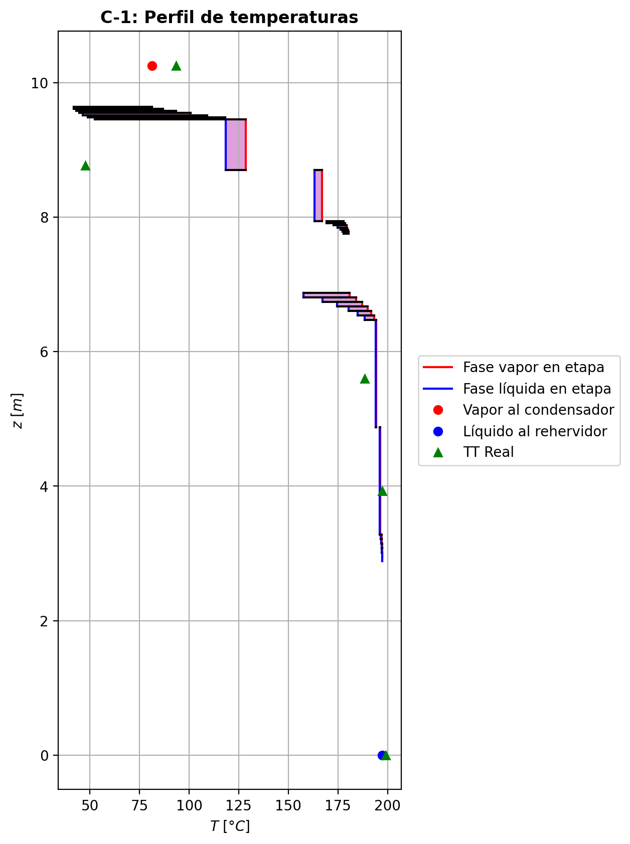
Agotamiento | 23 | 4.8756 | 3.2796 | - | - | 24.8509198 | 49.80763 | 24.8509198 | 49.80763 | 107.483089 | - | - | 0.0246739703 | 0.0246739703 | 0.0267455347 | 0.00427783087 | 0.00440551089 | 0.00440551089 | 4.4219398712 | 0.60961875752 | -0.405225694 | 0.508694249 | 0.103468555 | -0.40777867405 | 0.99973776484 | 0.0025529800531 | -0.40568152585 | 1.0087572596 | 0.00045583184583 | - | - | 196.334838 | 196.334838 | 196.180756 | 196.171177 | 196.171177 | 57.07524024 | 8809.889832 | -104166.916 | 945.237417 | -105112.154 | 9070.31917 | -113237.236 | - | - | -232597.848 | -271752.492 | - | - | 14.7122781 |  |  |  |  |  |  |  |  | 0.414273354 | 48.0703357 | 0.41427336217 | 48.070336157 | 0.012953062908 | 8.502262524E-05 | 0.012953062549 | 8.5022621462E-05 | 51.636132498 | 80.858866636 | 0.12986869984 | 2.3691924728 | 0.058549724055 | 0.48751416838 | 497505.48703 | 377.17326359 | 6.5148460699 | 0.60647163 | 6.62276186 | 0.6064716253 | 6.6227623093 | 534.26210034 | 128.74398149 | 534.26253948 | 128.74408139 | 0.00082190215178 | 0.00082190344083 | 3.0001076629E-05 | 3.0011373158E-05 | 4.4219435555 | 0.60961922297 | 57.075289081 | 8809.8968722 | 423.44045083 | 421.59599743 | -236149.19385 | -271783.09775 | 1.0088655101 | -38745.947216 | -237501.94809 | -62857.628029 | -272676.8529 | -105115.02177 | -113237.62096 | 0.00018231072343 | -0.40354319617 | 0.10335373497 | -103812.29243 | 0.026745455055 | 0.004277817986 | 196.18076663
Agotamiento | 24 | 3.2796 | 3.2131 | - | - | 24.9543883 | 49.8342005 | 24.9543883 | 49.8342005 | 4.4828587 | - | - | 0.00833301703 | 0.00833301703 | 0.0162812455 | 0.00259891848 | 0.00309274634 | 0.00309274634 | 4.4515152091 | 0.61055397997 | -0.0653035251 | 0.0918740205 | 0.0265704954 | -0.065524937491 | 0.99839176521 | 0.00022141239066 | -0.065385700902 | 1.005879988 | 8.21758024E-05 | - | - | 197.094981 | 197.094981 | 196.653161 | 196.608679 | 196.608679 | 57.50615376 | 8835.965784 | -19184.3984 | 113.897715 | -19298.2962 | 1761.93816 | -20946.3366 | - | - | -235807.717 | -271992.564 | - | - | 14.7135515 |  |  |  |  |  |  |  |  | 0.41378274 | 48.0930047 | 0.41378274707 | 48.093005132 | 0.012995453196 | 8.519446332E-05 | 0.01299545287 | 8.5194459542E-05 | 52.540900206 | 80.831959632 | 0.129409506 | 2.3788869247 | 0.058607545379 | 0.48768758482 | 496920.38564 | 379.19272004 | 6.515249039 | 0.605266422 | 6.60816397 | 0.60526641797 | 6.6081644128 | 536.43661365 | 128.77609917 | 536.43705239 | 128.77619913 | 0.00082341889398 | 0.00082342018639 | 3.0004788187E-05 | 3.0015085918E-05 | 4.4515189304 | 0.6105544499 | 57.50620318 | 8835.9728588 | 423.85615671 | 422.0204615 | -239363.58136 | -272023.15801 | 1.0062701812 | -38528.818338 | -237465.45984 | -62816.478941 | -272641.49962 | -19300.83887 | -20946.533216 | 7.6624812669E-06 | -0.065102186023 | 0.026639535706 | -19163.80791 | 0.016278560527 | 0.0025984877697 | 196.65328738
Agotamiento | 25 | 3.2131 | 3.1466 | - | - | 24.9809588 | 49.8450451 | 24.9809588 | 49.8450451 | 4.48450655 | - | - | 0.00571002329 | 0.00571002329 | 0.0113393845 | 0.00180845078 | 0.00215981452 | 0.00215981452 | 4.4577433216 | 0.61074778382 | -0.0464684981 | 0.0573131866 | 0.0108446885 | -0.046530421524 | 0.99934522711 | 6.1923423908E-05 | -0.046491920616 | 1.0040910813 | 2.3422515687E-05 | - | - | 197.184528 | 197.184528 | 196.873239 | 196.848867 | 196.848867 | 57.6100584 | 8851.257432 | -11739.2815 | 80.4223108 | -11819.7038 | 967.394894 | -12706.6764 | - | - | -236324.866 | -272168.902 | - | - | 14.7136046 |  |  |  |  |  |  |  |  | 0.413744856 | 48.1139347 | 0.41374486353 | 48.113935115 | 0.013000536864 | 8.527342536E-05 | 0.013000536539 | 8.5273421511E-05 | 52.720576263 | 80.806280292 | 0.12932419923 | 2.3859993427 | 0.058612201018 | 0.48798525883 | 496703.05984 | 379.63122711 | 6.5138320387 | 0.605046419 | 6.60286418 | 0.6050464148 | 6.6028646274 | 537.04215806 | 128.73211696 | 537.04259703 | 128.7322166 | 0.00082382125081 | 0.00082382254112 | 2.9991738289E-05 | 3.0002031387E-05 | 4.4577470391 | 0.61074825323 | 57.61010799 | 8851.2644956 | 424.01196161 | 422.17671114 | -239881.06817 | -272199.48341 | 1.004403112 | -38489.450758 | -237460.99798 | -62796.618611 | -272622.08675 | -11821.099518 | -12706.775977 | 7.6764259315E-06 | -0.046292937373 | 0.010861451079 | -11710.081959 | 0.011338847241 | 0.0018083648651 | 196.87326945
Agotamiento | 26 | 3.1466 | 3.0801 | - | - | 24.9918035 | 49.8519889 | 24.9918035 | 49.8519889 | 4.48546475 | - | - | 0.00384819733 | 0.00384819733 | 0.00783550178 | 0.00124887857 | 0.00149823858 | 0.00149823858 | 4.4607197258 | 0.61083795047 | -0.0329658882 | 0.0399096521 | 0.0069437639 | -0.032992609174 | 0.99958151521 | 2.67209737E-05 | -0.032976291615 | 1.0028403083 | 1.0403414965E-05 | - | - | 197.247118 | 197.247118 | 197.028847 | 197.012289 | 197.012289 | 57.66678972 | 8861.840712 | -8151.78336 | 56.4585106 | -8208.24187 | 658.17635 | -8809.95971 | - | - | -236692.042 | -272294.512 | - | - | 14.7136577 |  |  |  |  |  |  |  |  | 0.413720141 | 48.1293246 | 0.41372015023 | 48.129325034 | 0.013004076672 | 8.5325076E-05 | 0.013004076287 | 8.5325072166E-05 | 52.852373963 | 80.787432636 | 0.12926328967 | 2.3910947757 | 0.058615350802 | 0.48821432326 | 496567.65496 | 379.81871897 | 6.5126563011 | 0.604888787 | 6.59961503 | 0.60488878201 | 6.5996154767 | 537.30111538 | 128.69429661 | 537.30155748 | 128.69439615 | 0.00082404172945 | 0.00082404301987 | 2.9980912169E-05 | 2.9991201715E-05 | 4.4607234285 | 0.61083841886 | 57.666839751 | 8861.8478201 | 424.10255982 | 422.2677877 | -240248.47007 | -272325.08367 | 1.0030665162 | -38460.727824 | -237457.82253 | -62783.469244 | -272608.88111 | -8208.9670322 | -8810.0127767 | 7.6823430102E-06 | -0.03283512824 | 0.0069475718171 | -8127.6403845 | 0.0078352875586 | 0.0012488443707 | 197.02886341
Agotamiento | 27 | 3.0801 | 3.0136 | - | - | 24.9987473 | 49.8568562 | 24.9987473 | 49.8568562 | 4.48612542 | - | - | 0.00252842793 | 0.00252842793 | 0.00535179849 | 0.000852652304 | 0.00102944663 | 0.00102944663 | 4.4626839164 | 0.61089604178 | -0.0233652083 | 0.0282325046 | 0.0048672963 | -0.023377514908 | 0.99970722385 | 1.2306607909E-05 | -0.023370218922 | 1.0019514665 | 5.0106217732E-06 | - | - | 197.290716 | 197.290716 | 197.138961 | 197.127318 | 197.127318 | 57.70610784 | 8869.340052 | -5766.15058 | 39.2857716 | -5805.43635 | 463.255999 | -6229.40658 | - | - | -236952.385 | -272383.583 | - | - | 14.7137108 |  |  |  |  |  |  |  |  | 0.413704354 | 48.1403286 | 0.41370436192 | 48.140328983 | 0.013006528308 | 8.536112424E-05 | 0.013006527988 | 8.5361120374E-05 | 52.948209076 | 80.774007974 | 0.12921983915 | 2.3947257174 | 0.058617466668 | 0.48837912908 | 496473.45937 | 379.93874812 | 6.5118033518 | 0.604776041 | 6.5973774 | 0.60477603665 | 6.5973778417 | 537.46977978 | 128.66672597 | 537.47022098 | 128.66682565 | 0.00082419171227 | 0.00082419300205 | 2.9973059827E-05 | 2.9983346456E-05 | 4.4626876442 | 0.61089651155 | 57.706157885 | 8869.3471792 | 424.16502645 | 422.33060705 | -240508.9614 | -272414.14801 | 1.0021129562 | -38439.946889 | -237455.58191 | -62774.264853 | -272599.58777 | -5805.8084426 | -6229.4353415 | 7.6861333312E-06 | -0.023270068107 | 0.004866875367 | -5747.6609946 | 0.0053516946143 | 0.00085263573872 | 197.13897204
Agotamiento | 28 | 3.0136 | 2.9471 | - | - | 25.0036146 | 49.8603234 | 25.0036146 | 49.8603234 | 4.48659247 | - | - | 0.00159346339 | 0.00159346339 | 0.00359218699 | 0.000572144646 | 0.00069741318 | 0.00069741318 | 4.4640537293 | 0.61093625507 | -0.0165517321 | 0.0200188911 | 0.003467159 | -0.016557256891 | 0.99979194727 | 5.5247909338E-06 | -0.016554150142 | 1.0013196309 | 2.4180423838E-06 | - | - | 197.320897 | 197.320897 | 197.216904 | 197.208675 | 197.208675 | 57.73433724 | 8874.66744 | -4090.43821 | 26.9374522 | -4117.37566 | 327.640497 | -4418.0787 | - | - | -237136.871 | -272446.68 | - | - | 14.7137639 |  |  |  |  |  |  |  |  | 0.413694718 | 48.1481542 | 0.41369472779 | 48.14815458 | 0.013008211272 | 8.538654384E-05 | 0.013008210877 | 8.5386540116E-05 | 53.017556402 | 80.764490153 | 0.12918881217 | 2.397307088 | 0.058618862647 | 0.48849644838 | 496406.84974 | 380.0215726 | 6.5111977552 | 0.604695377 | 6.59580577 | 0.60469537198 | 6.5958062162 | 537.58910063 | 128.64710561 | 537.58954142 | 128.64720515 | 0.00082429792146 | 0.00082429921518 | 2.996748498E-05 | 2.9977769823E-05 | 4.4640574357 | 0.61093672692 | 57.734387453 | 8874.6745707 | 424.20918622 | 422.37501835 | -240693.54358 | -272477.24022 | 1.0014343119 | -38424.992466 | -237454.0172 | -62767.766563 | -272593.01577 | -4117.5659304 | -4418.0946406 | 7.68875893E-06 | -0.016483143047 | 0.0034664652239 | -4076.9313375 | 0.0035921345792 | 0.00057213629542 | 197.2169127
Agotamiento | 29 | 2.9471 | 2.8806 | 25.0074407 | - | 25.0070817 | 49.8628117 | 25.0070817 | 49.8628117 | 4.48692368 | 0.000462405307 | - | 0.000931361373 | 0.000931361373 | 0.00234606416 | 0.000373593808 | 0.000462315663 | 0.000462315663 | 4.4650145367 | 0.61096479824 | -0.011720893 | 0.0142092551 | 0.0024883621 | -0.011723210564 | 0.99985118806 | 2.317564342E-06 | -0.011722043409 | 1.0008710005 | 1.150408774E-06 | 197.355338 | - | 197.341539 | 197.341539 | 197.272093 | 197.26627 | 197.26627 | 57.75471504 | 8878.452948 | -2905.68612 | 17.9963163 | -2923.68244 | 231.942035 | -3137.62816 | -237360.18088 | - | -237267.564 | -272491.358 | 14.7138701 | - | 14.713817 |  |  |  |  |  |  |  |  | 0.413689435 | 48.153708 | 0.41368944352 | 48.153708394 | 0.013009347432 | 8.540451504E-05 | 0.013009347093 | 8.5404511082E-05 | 53.067659127 | 80.757750632 | 0.12916658921 | 2.3991396023 | 0.058619747193 | 0.48857969838 | 496359.60472 | 380.07912279 | 6.510771692 | 0.604637527 | 6.59469624 | 0.60463752212 | 6.594696696 | 537.67499028 | 128.63325745 | 537.67543243 | 128.63335685 | 0.00082437417573 | 0.00082437546309 | 2.9963563391E-05 | 2.9973846733E-05 | 4.465018246 | 0.61096526801 | 57.754765074 | 8878.4600658 | 424.24050226 | 422.40651141 | -240824.29454 | -272521.91419 | 1.0009521519 | -38414.264977 | -237452.94136 | -62763.169668 | -272588.36372 | -2923.7799286 | -3137.6372014 | 7.6905949486E-06 | -0.01167172884 | 0.0024887212924 | -2896.1630186 | 0.0023460372316 | 0.0003735895181 | 197.27210027

Exportar_resultados_ACM
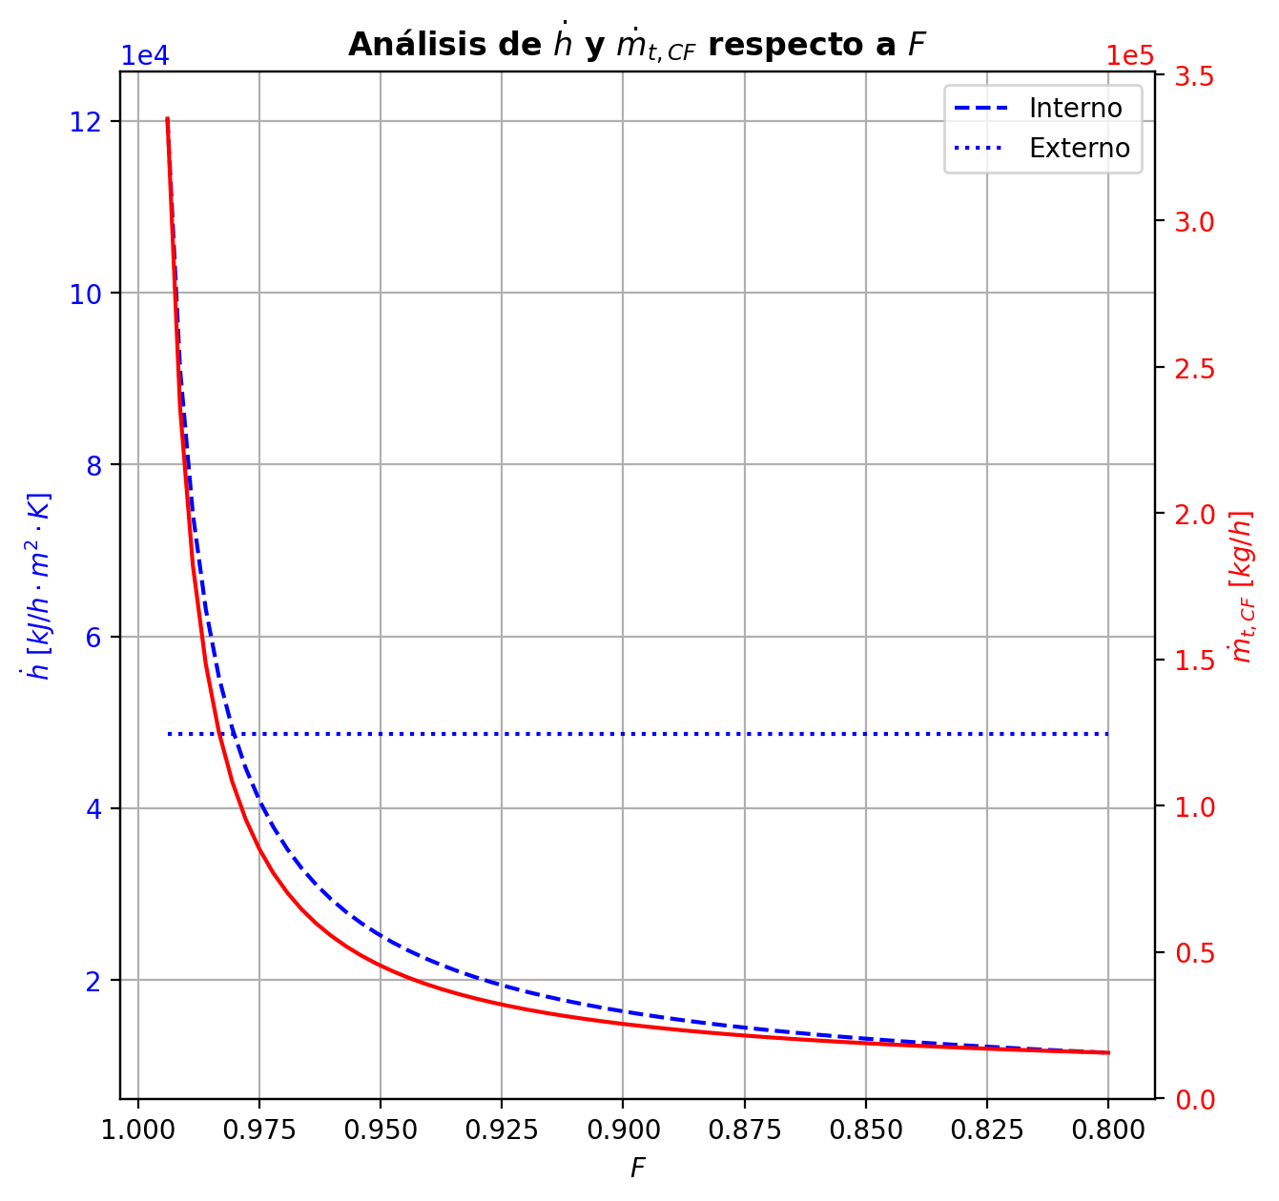
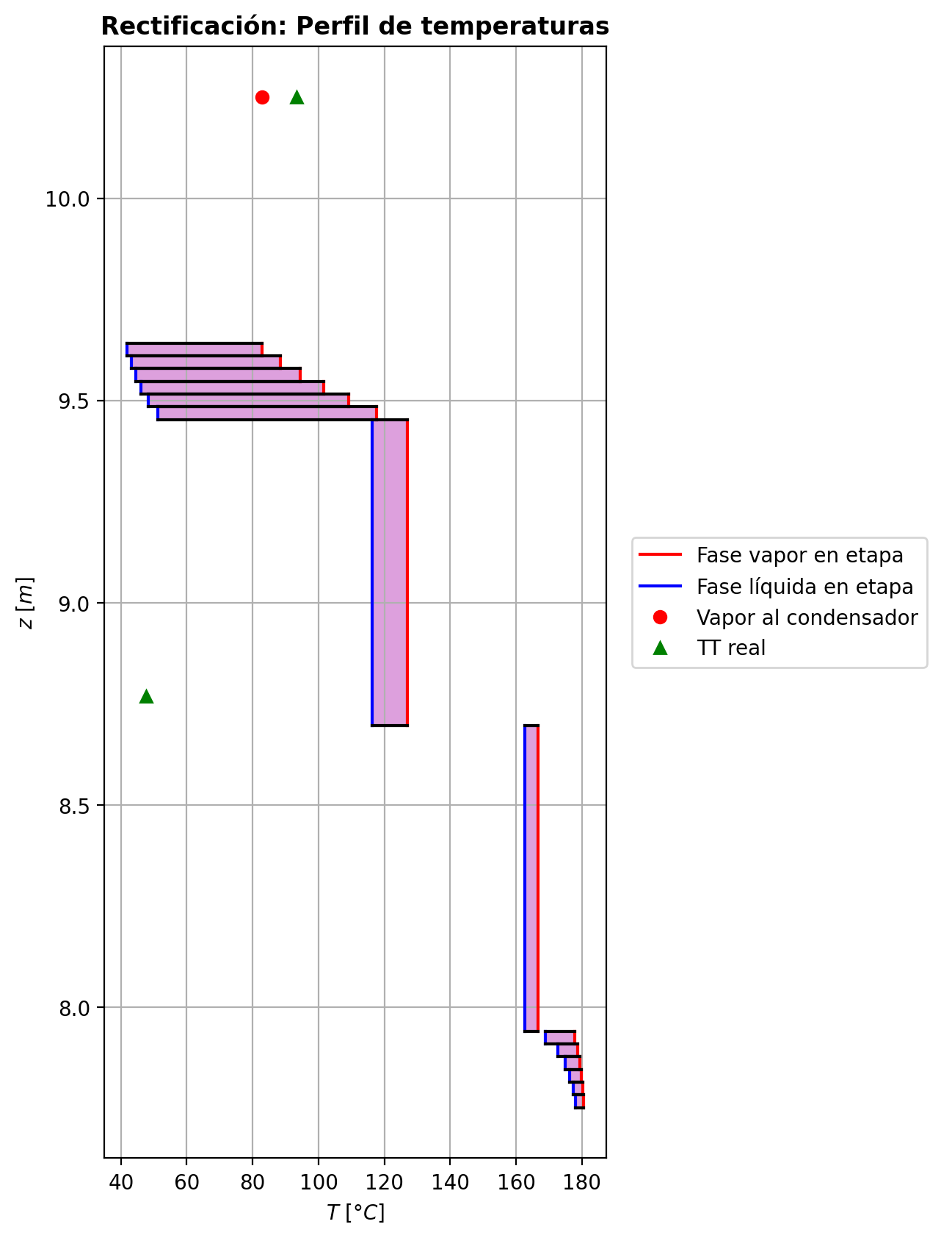
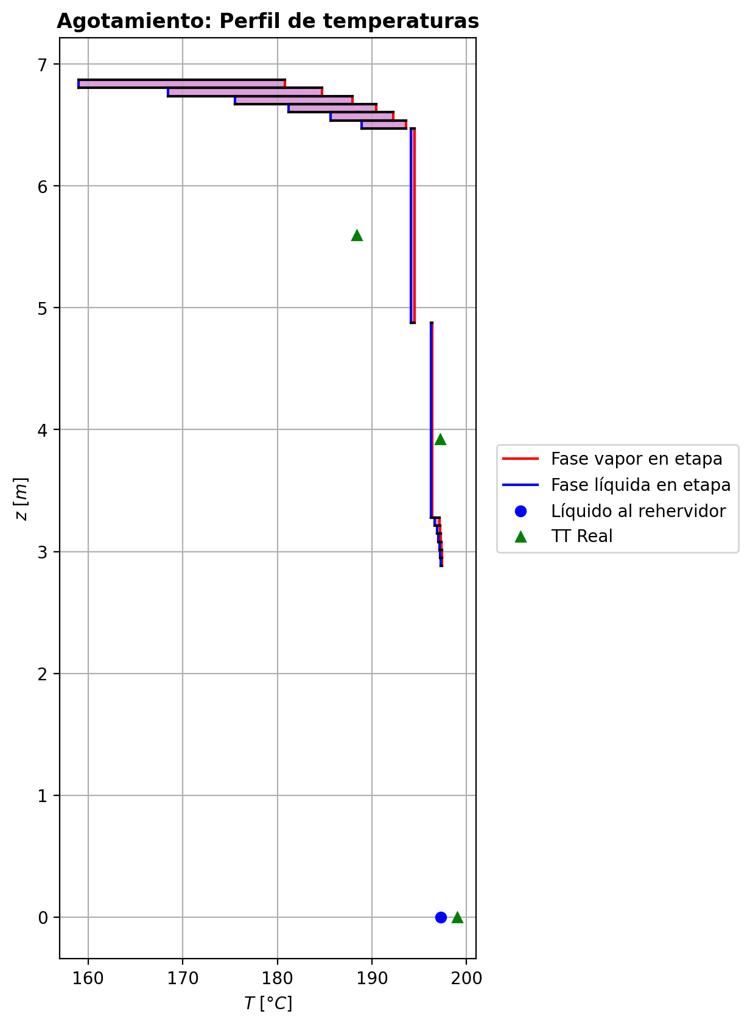
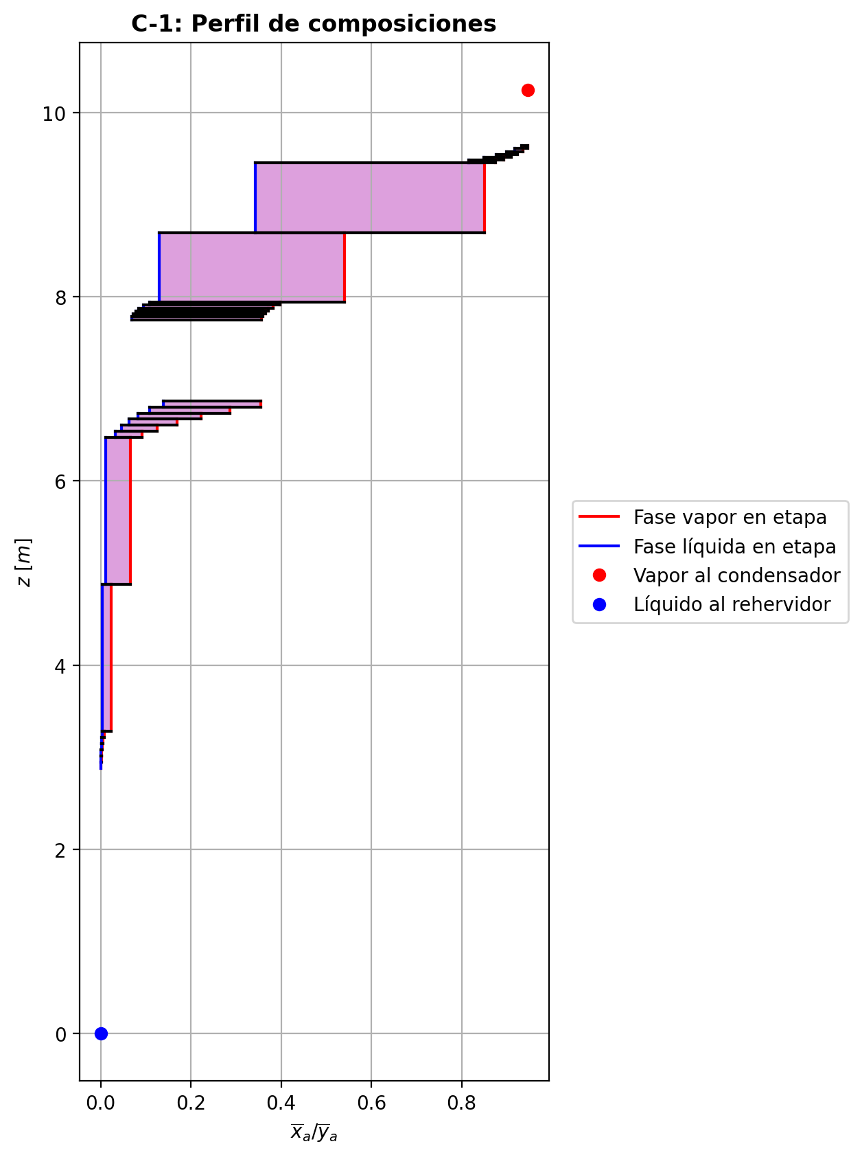

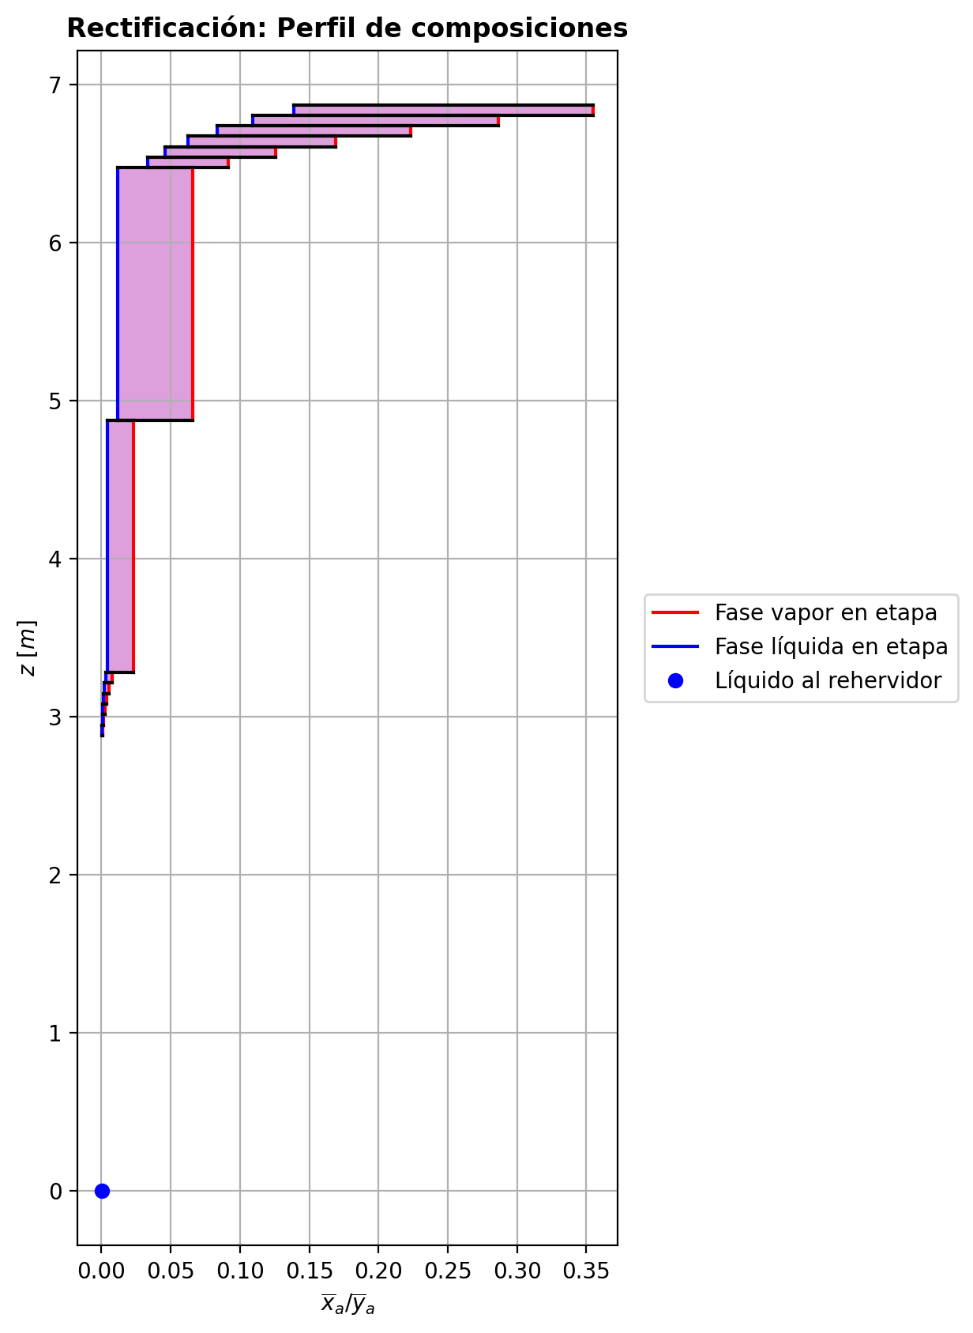
$${\left[N_{t}=N_{a}+N_{w} \right]}_{2}$$
$${\left[N_{t}=N_{a}+N_{w} \right]}_{ps1+ps2−3}$$
$$F_{fría}^{l}+F_{caliente}^{l}=P_{fría}^{l}+P_{caliente}^{l}$$
$${\left[J_{a}^{g}=Γ^{g,b}ρ^{g,b}k_{bm}^{g}a_{ef}A_{tr}Z\left(y_{a}^{b}−y_{a}^{I}\right)\right]}_{2}$$
$${\left(N_{t}\right)}_{2}=V_{3}−V_{2}=L_{2}−{\left(L_{1}−P^{l}\right)}_{E−3}$$
$${\left[J_{a}^{g}=Γ^{g,b}ρ^{g,b}k_{bm}^{g}a_{ef}A_{tr}Z\left(y_{a}^{b}−y_{a}^{I}\right)\right]}_{s}$$
$${\left[N_{t}=N_{a}+N_{w} \right]}_{s}$$
$${\left[J_{a}^{g}=Γ^{g,b}ρ^{g,b}k_{bm}^{g}a_{ef}A_{tr}Z\left(y_{a}^{b}−y_{a}^{I}\right)\right]}_{ps1+ps2−3}$$
Caso | 1 |  |  | Economizador E-1 |  |  |  |  |  |  |  |  | Condensador E-3 (s=1) |  |  |  |  |  |  |  |  | s=2 |  |  |  |  |  |  |  |  |  |  |  |  |  |  | s={3,…,ps1+ps2-4} |  |  |  |  |  |  |  |  |  |  |  |  |  |  |  | s=ps1+ps2-3 |  |  |  |  |  |  |  |  |  |  |  |  |  |  | Rehervidor E-2 (s=ps1+ps2-2)
ps1 | 16 |  | Representación y balances |  |  |  |  |  |  |  |  |  |  |  |  |  |  |  |  |  |  | Atr [m2] | 0.159043 |  |  |  |  |  |  |  |  |  |  |  |  |  | s |  | Atr [m2] | 0.159043 |  |  |  |  |  |  |  |  |  |  |  |  | Atr [m2] | 0.159043
ps2 | 16 |  |  | Pl [kmol/h]= | 24.834344289 | Fl [kmol/h]= | 31.867507426 | Balance de Masa Total [kmol/h] |  |  |  |  | V2 [kmol/h]= | 30.823982709 | Pl Fría [kmol/h]= | 5231.9555401 | Balance de Masa Total [kmol/h] |  |  |  |  |  | V2 [kmol/h]= | 30.823982709 |  |  | L1-Pl en E-3 [kmol/h]= | 23.790819572 |  | Balance de Masa Total [kmol/h] |  |  |  |  |  |  |  |  | Vs [kmol/h]= | #VALUE! |  |  | Ls-1 [kmol/h]= | #VALUE! |  | Balance de Masa Total [kmol/h] |  |  |  |  |  |  |  |  | Vps1+ps2-3 [kmol/h]= | 24.942139292 |  |  | Lps1+ps2-4 [kmol/h]= | 49.776483581 |  | Balance de Masa Total [kmol/h] |  |  |  |  |  | Lps1+ps2-3 [kmol/h]= | 49.778299669 |  |  |  |  | Balance de Masa Total [kmol/h]
$$V_{2}=L_{1}$$
$${\left[J_{a}^{l}=Γ^{l,b}ρ^{l,b}k_{bm}^{l}a_{ef}A_{tr}Z\left(x_{a}^{I}−x_{a}^{b}\right)\right]}_{2}$$
$${\left[J_{a}^{l}=Γ^{l,b}ρ^{l,b}k_{bm}^{l}a_{ef}A_{tr}Z\left(x_{a}^{I}−x_{a}^{b}\right)\right]}_{s}$$
$${\left(N_{t}\right)}_{s}=V_{s+1}−V_{s}=L_{s}−L_{s−1}−F_{s}^{l}$$
$${\left[J_{a}^{l}=Γ^{l,b}ρ^{l,b}k_{bm}^{l}a_{ef}A_{tr}Z\left(x_{a}^{I}−x_{a}^{b}\right)\right]}_{ps1+ps2−3}$$
$${\left(N_{t}\right)}_{ps1+ps2−3}=−V_{ps1+ps2−3}+F_{ps1+ps2−3}^{g}=L_{ps1+ps2−3}−L_{ps1+ps2−4}−F_{ps1+ps2−3}^{l}$$
$$L_{ps1+ps2−3}=P_{ps1+ps2−2}^{g}+P_{ps1+ps2−2}^{l}$$
flowmode1 | MIXED |  |  | T [°C]= | 57.196029941 | T [°C]= | 22 |  |  |  |  |  | T [°C]= | 82.827488959 | T [°C]= | 31.787964614 |  |  |  |  |  |  | T [°C]= | 82.827488959 |  |  | T [°C]= | 40.412076136 |  |  |  |  |  |  |  |  |  |  | T [°C]= | #VALUE! |  |  | T [°C]= | #VALUE! |  |  |  |  |  |  |  |  |  |  | T [°C]= | 197.4022808 |  |  | T [°C]= | 197.20349879 |  |  |  |  |  |  |  | T [°C]= | 197.2580977 |  |  | Pg [kmol/h]= | 24.943955379
$$F_{fría}^{l}=P_{fría}^{l}$$
$${\left[Q^{g}=k_{h}^{g}a_{ef}A_{tr}Z\left(T^{g,b}−T^{I}\right)\right]}_{2}$$
$${\left[Q^{g}=k_{h}^{g}a_{ef}A_{tr}Z\left(T^{g,b}−T^{I}\right)\right]}_{s}$$
$${\left[Q^{g}=k_{h}^{g}a_{ef}A_{tr}Z\left(T^{g,b}−T^{I}\right)\right]}_{ps1+ps2−3}$$
$${f_{v}\left(L−P^{l}\right)}_{ps1+ps2−2}=P_{ps1+ps2−2}^{g}$$
flowmode2 | MIXED |  |  | P [bar]= | 14.834573176 | P [bar]= | 18.6326 |  | 56.701851715 | = | 56.701851715 |  | P [bar]= | 14.7091358 | P [bar]= | 3.43233 |  |  |  |  |  |  | P [bar]= | 14.7091358 |  |  | P [bar]= | 14.7091358 |  |  | -0.66693407175 | = | -0.66693407175 | = | -0.66693407175 |  |  |  | P [bar]= | #VALUE! |  |  | P [bar]= | #VALUE! |  |  | #VALUE! | = |  | = | #VALUE! |  |  |  | P [bar]= | 14.709705001 |  |  | P [bar]= | 14.709697344 |  |  | 0.0018160877625 | = | 0.0018160877625 | = | 0.0018160877625 | P [bar]= | 14.709705001 |  |  | T [°C]= | 197.74248036
$${\left[Q^{l}=k_{h}^{l}a_{ef}A_{tr}Z\left(T^{I}−T^{l,b}\right)\right]}_{2}$$
$${\left[Q^{l}=k_{h}^{l}a_{ef}A_{tr}Z\left(T^{I}−T^{l,b}\right)\right]}_{s}$$
$${\left[Q^{l}=k_{h}^{l}a_{ef}A_{tr}Z\left(T^{I}−T^{l,b}\right)\right]}_{ps1+ps2−3}$$
simtype | 1 |  |  | xa molar= | 0.00044116024273 | xa molar= | 0.209146 |  |  |  |  |  | ya molar= | 0.94609006696 | xa molar= | 0 |  | 30.823982709 | = | 30.823982709 |  | z top [m]= | ya molar= | 0.94609006696 |  |  | xa molar= | 0.94609006696 |  |  |  |  |  |  |  |  |  | z top [m]= | ya molar= | #VALUE! |  |  | xa molar= | #VALUE! |  |  |  |  |  |  |  |  |  | z top [m]= | ya molar= | 0.00088707358194 |  |  | xa molar= | 0.00066459974304 |  |  |  |  |  |  |  | xa molar= | 0.00044116024273 |  |  | P [bar]= | 14.834573176 |  | 49.778299669 | = | 49.778299669
$${\left(N_{a}\right)}_{ps1+ps2−3}=−{\left(Vy_{a}\right)}_{ps1+ps2−3}+{\left(F^{g}y_{a}\right)}_{ps1+ps2−3}={\left(Lx_{a}\right)}_{ps1+ps2−3}−{\left(Lx_{a}\right)}_{ps1+ps2−4}−{\left(F^{l}x_{a}\right)}_{ps1+ps2−3}$$
pborde1 | 0.1 |  |  | h [kJ/kmol]= | -283295.81378 | h [kJ/kmol]= | -243450.36743 | Balance de Masa Amoníaco [kmol/h] |  |  |  |  | h [kJ/kmol]= | -55425.944781 | h [kJ/kmol]= | -285315.26156 |  | 5231.9555401 | = | 5231.9555401 |  | 9.6416 | h [kJ/kmol]= | -55425.944781 |  |  | h [kJ/kmol]= | -78273.965668 |  | Balance de Masa Amoníaco [kmol/h] |  |  |  |  |  |  |  | #VALUE! | h [kJ/kmol]= | #VALUE! |  |  | h [kJ/kmol]= | #VALUE! |  | Balance de Masa Amoníaco [kmol/h] |  |  |  |  |  |  |  | 2.9471 | h [kJ/kmol]= | -237272.60864 |  |  | h [kJ/kmol]= | -272453.9871 |  | Balance de Masa Amoníaco [kmol/h] |  |  |  |  |  | h [kJ/kmol]= | -272496.46031 |  |  | ya molar= | 0.00044116024273 |  | 24.943955379 | = | 24.943955379
$${\left(F^{l}x_{a,F}\right)}_{fría}+{\left(F^{l}x_{a,F}\right)}_{caliente}={\left(P^{l}x_{a,P}\right)}_{fría}+{\left(P^{l}x_{a,P}\right)}_{caliente}$$
$${\left(N_{a}\right)}_{2}={\left(Vy_{a}\right)}_{3}−{\left(Vy_{a}\right)}_{2}={\left(Lx_{a}\right)}_{2}−{\left[\left(L_{1}−P^{l}\right)x_{a}\right]}_{E−3}$$
$${\left(N_{a}\right)}_{s}={\left(Vy_{a}\right)}_{s+1}−{\left(Vy_{a}\right)}_{s}={\left(Lx_{a}\right)}_{s}−{\left(Lx_{a}\right)}_{s−1}−{\left(F^{l}x_{a}\right)}_{s}$$
nborde1 | 6 |  |  |  |  |  |  |  |  |  |  |  |  |  |  |  |  |  |  |  |  |  |  |  | TI [°C]= | 42.28147932 |  |  |  |  |  |  |  |  |  |  | NO APLICA |  |  |  | TI [°C]= | #VALUE! |  |  |  |  |  |  |  |  |  |  | NO APLICA |  |  |  | TI [°C]= | 197.26364182 |  |  |  |  |  |  |  |  |  |  |  |  |  | h [kJ/kmol]= | -237359.92987
$${\left(N_{a}\right)}_{2}={\left(J_{a}^{g}\right)}_{2}+{\left(N_{t}y_{a}^{b}\right)}_{2}={\left(J_{a}^{l}\right)}_{2}+{\left(N_{t}x_{a}^{b}\right)}_{2}$$
$${\left(N_{a}\right)}_{s}={\left(J_{a}^{g}\right)}_{s}+{\left(N_{t}y_{a}^{b}\right)}_{s}={\left(J_{a}^{l}\right)}_{s}+{\left(N_{t}x_{a}^{b}\right)}_{s}$$
$${\left(N_{a}\right)}_{ps1+ps2−3}={\left(J_{a}^{g}\right)}_{ps1+ps2−3}+{\left(N_{t}y_{a}^{b}\right)}_{ps1+ps2−3}={\left(J_{a}^{l}\right)}_{ps1+ps2−3}+{\left(N_{t}x_{a}^{b}\right)}_{ps1+ps2−3}$$
pborde2 | 0.1 |  |  |  |  |  |  |  | 6.6759176335 | = | 6.6759176335 |  |  |  |  |  | Balance de Masa Amoníaco [kmol/h] |  |  |  |  |  | V2b [kmol/h]= | 30.823982709 | yaI molar= | 0.99978147563 | L2b [kmol/h]= | 23.1238855 |  |  |  |  |  |  |  |  | Fl Alimentación [kmol/h]= | #VALUE! | Vsb [kmol/h]= | #VALUE! | yaI molar= | #VALUE! | Lsb [kmol/h]= | #VALUE! |  |  |  |  |  |  |  |  | Fl Alimentación [kmol/h]= | - | Vps1+ps2-3b [kmol/h]= | 24.942139292 | yaI molar= | 0.0022387040883 | Lps1+ps2-3b [kmol/h]= | 49.778299669 |  |  |  |  |  |  |  |  |  |  |  |  |  | Balance de Masa Amoníaco [kmol/h]
$${\left(Vy_{a}\right)}_{2}={\left(Lx_{a}\right)}_{1}$$
$${\left(Lx_{a}\right)}_{ps1+ps2−3}={\left(P^{g}y_{a}\right)}_{ps1+ps2−2}+{\left(P^{l}y_{a}\right)}_{ps1+ps2−2}$$
nborde2 | 6 |  |  | Q̇ [kJ/h]= |  |  |  |  |  |  |  |  | Q̇ [kJ/h]= |  |  |  |  |  |  |  |  |  | Tg,b [°C]= | 82.827488959 | xaI molar= | 0.90828519421 | Tl,b [°C]= | 41.923642028 |  |  | -0.93061774048 | = | -0.93061774048 | = | -0.93061774048 |  | T [°C]= | #VALUE! | Tg,b [°C]= | #VALUE! | xaI molar= | #VALUE! | Tl,b [°C]= | #VALUE! |  |  | #VALUE! | = |  | = | #VALUE! |  | T [°C]= | - | Tg,b [°C]= | 197.4022808 | xaI molar= | 0.00035645741192 | Tl,b [°C]= | 197.2580977 |  |  | -0.011121231433 | = | -0.011121231433 | = | -0.011121231433
$$\dot{Q}={{\left(P^{l}h_{P}\right)}_{fría}−\left(F^{l}h_{F}\right)}_{fría}$$
$${\left(F^{l}x_{a,F}\right)}_{fría}={\left(P^{l}x_{a,P}\right)}_{fría}$$
$${\left[\left(L−P^{l}\right)x_{a}\right]}_{ps1+ps2−2}={\left(P^{g}y_{a}\right)}_{ps1+ps2−2}$$
Molar RR | 3.3826628375 |  |  | 268194.86202 |  |  |  | Balance de Energía [kJ/h] |  |  |  |  | 704267.00073 |  |  |  |  |  |  |  |  |  | P [bar]= | 14.7091358 | Na [kmol/h]= | -0.93061774048 | P [bar]= | 14.7091358 |  |  | -0.93061774048 | = | -0.93061774048 | = | -0.93061774048 |  | P [bar]= | #VALUE! | P [bar]= | #VALUE! | Na [kmol/h]= | #VALUE! | P [bar]= | #VALUE! |  |  | #VALUE! | = | #VALUE! | = | #VALUE! |  | P [bar]= | - | P [bar]= | 14.709705001 | Na [kmol/h]= | -0.011121231433 | P [bar]= | 14.709705001 |  |  | -0.011121231433 | = | -0.011121231433 | = | -0.011121231433
Molar fv Reboiler | 1 |  |  |  |  |  |  |  |  |  |  |  |  |  |  |  |  | 29.162263865 | = | 29.162263865 |  |  | yab molar= | 0.94609006696 | Nw [kmol/h]= | 0.26368366873 | xab molar= | 0.93313212181 |  |  |  |  |  |  |  |  | xa molar= | #VALUE! | yab molar= | #VALUE! | Nw [kmol/h]= | #VALUE! | xab molar= | #VALUE! |  |  |  |  |  |  |  |  | xa molar= | - | yab molar= | 0.00088707358194 | Nw [kmol/h]= | 0.012937319196 | xab molar= | 0.00044116024273 |  |  |  |  |  |  |  |  |  |  |  |  |  |  | 0.021960206764 | = | 0.021960206764
$$\dot{Q}={\left(F^{l}h_{F}\right)}_{caliente}−{\left(P^{l}h_{P}\right)}_{caliente}$$
$$E_{ps1+ps2−3}=−{\left(Vh\right)}_{ps1+ps2−3}+{\left(F^{g}h\right)}_{ps1+ps2−3}={\left(Lh\right)}_{ps1+ps2−3}−{\left(Lh\right)}_{ps1+ps2−4}−{\left(F^{l}h\right)}_{ps1+ps2−3}$$
Mass xa Distillate | 0.94315003488 |  |  |  |  |  |  |  |  |  |  |  | L1 [kmol/h]= | 30.823982709 | Fl Fría [kmol/h]= | 5231.9555401 |  | 0 | = | 0 |  |  |  |  | Nt [kmol/h]= | -0.66693407175 |  |  |  | Balance de Energía [kJ/h] |  |  |  |  |  |  | h [kJ/kmol]= | #VALUE! |  |  | Nt [kmol/h]= | #VALUE! |  |  |  | Balance de Energía [kJ/h] |  |  |  |  |  |  | h [kJ/kmol]= | - |  |  | Nt [kmol/h]= | 0.0018160877625 |  |  |  | Balance de Energía [kJ/h] |  |  |  |  |  |  |  |  |  |  |  |  | 0.01100428141 | = | 0.01100428141
$$\dot{Q}=n_{tb}UA_{ext}ΔT_{ln}$$
$$E_{2}={\left(Vh\right)}_{3}−{\left(Vh\right)}_{2}={\left(Lh\right)}_{2}−{\left[\left(L_{1}−P^{l}\right)h\right]}_{E−3}$$
$$E_{s}={\left(Vh\right)}_{s+1}−{\left(Vh\right)}_{s}={\left(Lh\right)}_{s}−{\left(Lh\right)}_{s−1}−{\left(F^{l}h\right)}_{s}$$
$$E_{ps1+ps2−3}={\left(Q^{g}\right)}_{ps1+ps2−3}+{\left(ΣN_{i}{\hat{h}}_{i}^{g,b}\right)}_{ps1+ps2−3}={\left(Q^{l}\right)}_{ps1+ps2−3}+{\left(ΣN_{i}{\hat{h}}_{i}^{l,b}\right)}_{ps1+ps2−3}$$
Mass xa Bottoms | 0.00041705538416 |  |  | Fl=Pl en E-2 [kmol/h]= | 24.834344289 | Pl=Fl Alimentación [kmol/h]= | 31.867507426 |  |  |  |  |  | T [°C]= | 40.412076136 | T [°C]= | 30 |  |  |  |  |  |  |  |  | E [kJ/h]= | -14732.928542 |  |  |  |  |  |  |  |  |  |  |  |  |  |  | E [kJ/h]= | #VALUE! |  |  |  |  |  |  |  |  |  |  |  |  |  |  | E [kJ/h]= | -2609.0448536
$$E_{2}={\left(Q^{g}\right)}_{2}+{\left(ΣN_{i}{\hat{h}}_{i}^{g,b}\right)}_{2}={\left(Q^{l}\right)}_{2}+{\left(ΣN_{i}{\hat{h}}_{i}^{l,b}\right)}_{2}$$
$$E_{s}={\left(Q^{g}\right)}_{s}+{\left(ΣN_{i}{\hat{h}}_{i}^{g,b}\right)}_{s}={\left(Q^{l}\right)}_{s}+{\left(ΣN_{i}{\hat{h}}_{i}^{l,b}\right)}_{s}$$
 |  |  |  | T [°C]= | 197.25693682 | T [°C]= | 121.3582874 |  | 268194.86202 | = | 268194.86202 |  | P [bar]= | 14.7091358 | P [bar]= | 3.43233 | Balance de Energía [kJ/h] |  |  |  |  | z lower [m]= | V3 [kmol/h]= | 30.157048637 |  |  | L2 [kmol/h]= | 23.1238855 |  |  |  |  |  |  |  |  |  | z lower [m]= | Vs+1 [kmol/h]= |  |  |  | Ls [kmol/h]= | #VALUE! |  |  |  |  |  |  |  |  |  | z lower [m]= |  |  | Fg=Pg en E-2 [kmol/h]= | 24.943955379 | Lps1+ps2-3 [kmol/h]= | 49.778299669 |  |  |  |  |  |  |  |  |  |  |  |  | Q̇ [kJ/h]= | Balance de Energía [kJ/h]
$$\dot{Q}={\left(Vh\right)}_{2}−{\left(Lh\right)}_{1}$$
$${\left(Lh\right)}_{ps1+ps2−3}={\left(P^{g}h\right)}_{ps1+ps2−2}+{\left(P^{l}h\right)}_{ps1+ps2−2}−\dot{Q}$$
 |  |  |  | P [bar]= | 14.834573176 | P [bar]= | 18.6326 |  | 268194.86202 | = | 268194.86202 |  | xa molar= | 0.94609006696 | xa molar= | 0 |  |  |  |  |  | 9.6101 | T [°C]= | 88.347393382 |  |  | T [°C]= | 41.923642028 |  |  | -14732.928542 | = | -14732.928542 | = | -14732.928542 |  |  | #VALUE! | T [°C]= |  |  |  | T [°C]= | #VALUE! |  |  | #VALUE! | = |  | = | #VALUE! |  |  | 2.8806 |  |  | T [°C]= | 197.74248036 | T [°C]= | 197.2580977 |  |  | -2609.0448536 | = | -2609.0448536 | = | -2609.0448536 |  |  |  |  |  | 876444.04755
$$n_{tb}UA_{ext}ΔT_{ln}$$
$$\dot{Q}={{\left(P^{l}h_{P}\right)}_{fría}−\left(F^{l}h_{F}\right)}_{fría}$$
$$\dot{Q}={\left(P^{g}h\right)}_{ps1+ps2−2}−{\left[\left(L−P^{l}\right)h\right]}_{ps1+ps2−2}$$
 |  |  |  | xa molar= | 0.00044116024273 | xa molar= | 0.209146 |  |  | = | 268194.86202 |  | h [kJ/kmol]= | -78273.965668 | h [kJ/kmol]= | -285449.87031 |  |  |  |  |  |  | P [bar]= | 14.709138705 |  |  | P [bar]= | 14.7091358 |  |  | -14732.928542 | = | -14732.928542 | = | -14732.928542 |  |  |  | P [bar]= |  |  |  | P [bar]= | #VALUE! |  |  | #VALUE! | = | #VALUE! | = | #VALUE! |  |  |  |  |  | P [bar]= | 14.834573176 | P [bar]= | 14.709705001 |  |  | -2609.0448536 | = | -2609.0448536 | = | -2609.0448536
 |  |  |  | h [kJ/kmol]= | -272496.46031 | h [kJ/kmol]= | -235034.43271 |  |  |  |  |  |  |  |  |  |  | 704267.00073 | = | 704267.00072 |  | Z [m]= | ya molar= | 0.93615414639 |  |  | xa molar= | 0.93313212181 |  |  |  |  |  |  |  |  |  | Z [m]= | ya molar= |  |  |  | xa molar= | #VALUE! |  |  |  |  |  |  |  |  |  | Z [m]= |  |  | ya molar= | 0.00044116024273 | xa molar= | 0.00044116024273 |  |  |  |  |  |  |  |  |  |  |  |  |  |  | -13564410.46 | = | -13564410.46
 |  |  |  |  | Caliente | Fría |  | LV-1 | % Apertura | 0.142857 |  |  | L1-Pl [kmol/h]= | 23.790819572 | Pl [kmol/h]= | 7.0331631365 |  | 704267.00073 | = | 704267.00073 |  | 0.0315 | h [kJ/kmol]= | -57140.249792 |  |  | h [kJ/kmol]= | -81168.656665 |  |  |  |  |  |  |  |  |  | #VALUE! | h [kJ/kmol]= |  |  |  | h [kJ/kmol]= | #VALUE! |  |  |  |  |  |  |  |  |  | 0.0665 |  |  | h [kJ/kmol]= | -237359.92987 | h [kJ/kmol]= | -272496.46031 |  |  |  |  |  |  |  | Pl [kmol/h]= | 24.834344289 | Lps1+ps2-2-Pl [kmol/h]= | 24.943955379 |  |  |  | 876444.04755 | = | 876444.04755
 |  |  |  |  |  |  |  |  | q̇ [m3/h] | 0.45420690901 |  |  | T [°C]= | 40.412076136 | T [°C]= | 40.412076136 |  |  |  |  |  |  |  | Vapor |  |  | Líquido |  |  |  |  |  |  |  |  |  |  |  |  | Vapor |  |  | Líquido |  |  |  |  |  |  |  |  |  |  |  |  | Vapor |  |  | Líquido |  |  |  |  |  |  |  |  | T [°C]= | 197.25693682 | T [°C]= | 197.25693682
 |  |  |  |  | Factor de corrección F | 0.73645788346 |  |  |  |  |  |  | P [bar]= | 14.7091358 | P [bar]= | 14.7091358 | Relación |  |  |  |  | Transferencia de masa y calor |  |  |  |  |  |  |  |  |  |  |  |  |  |  |  | Transferencia de masa y calor |  |  |  |  |  |  |  |  |  |  |  |  |  |  |  | Transferencia de masa y calor |  |  |  |  |  |  |  |  |  |  |  |  |  | P [bar]= | 14.834573176 | P [bar]= | 14.834573176 |  |  | Relación
$$RR=\frac{L_{1}−{\left(P^{l}\right)}_{1}}{{\left(P^{l}\right)}_{1}}$$
$$f_{v}=\frac{P_{ps1+ps2−2}^{g}}{{\left(L−P^{l}\right)}_{ps1+ps2−2}}$$
 |  |  |  |  | ḣint [kJ/h·m2·K] | 6899.3823022 |  |  |  |  |  |  | xa molar= | 0.94609006696 | xa molar= | 0.94609006696 |  |  |  |  |  | Difusión |  | Convección |  | aef [m2/m3] | 510.37332164 | khg [kJ/h·m2·°C] | 76.599632291 |  |  |  |  |  |  |  |  | Difusión |  | Convección |  | aef [m2/m3] | #VALUE! | khg [kJ/h·m2·°C] | #VALUE! |  |  |  |  |  |  |  |  | Difusión |  | Convección |  | aef [m2/m3] | 422.36005226 | khg [kJ/h·m2·°C] | 57.588829987 |  |  |  |  |  |  | xa molar= | 0.00044116024273 | xa molar= | 0.00044116024273
 |  |  |  |  | ḣext [kJ/h·m2·K] | 1048.9697837 |  |  |  |  |  |  | h [kJ/kmol]= | -78273.965668 | h [kJ/kmol]= | -78273.965668 |  | 3.3826628375 | = | 3.3826628375 |  | Jag [kmol/h]= | -0.29963803989 | Ntyab [kmol/h]= | -0.63097970059 | kbmg [m/h] | 3.9721596739 | khl [kJ/h·m2·°C] | 3269.5636244 |  |  |  |  |  |  |  |  | Jag [kmol/h]= | #VALUE! | Ntyab [kmol/h]= | #VALUE! | kbmg [m/h] | #VALUE! | khl [kJ/h·m2·°C] | #VALUE! |  |  |  |  |  |  |  |  | Jag [kmol/h]= | -0.011122842436 | Ntyab [kmol/h]= | 1.6110034766E-06 | kbmg [m/h] | 4.4553916196 | khl [kJ/h·m2·°C] | 8863.3547235 |  |  |  |  |  |  | h [kJ/kmol]= | -272496.46031 | h [kJ/kmol]= | -272496.46031
 |  |  |  |  |  |  |  |  |  |  |  |  |  |  |  |  |  |  |  |  |  | Jal [kmol/h]= | -0.308280135 | Ntxab [kmol/h]= | -0.62233760548 | kbml [m/h] | 0.12989252332 |  |  |  |  |  |  |  |  |  |  | Jal [kmol/h]= | #VALUE! | Ntxab [kmol/h]= | #VALUE! | kbml [m/h] | #VALUE! |  |  |  |  |  |  |  |  |  |  | Jal [kmol/h]= | -0.011122032619 | Ntxab [kmol/h]= | 8.011857181E-07 | kbml [m/h] | 0.60986084443 |  |  |  |  |  |  |  |  |  |  |  |  |  |  |  | 1 | = | 1
 |  |  |  |  |  |  |  |  |  |  |  |  |  | Factor de corrección F | 0.97760762885 |  | PV-2 | % Apertura | 0.196599 |  |  | Qg [kJ/h]= | 7941.2319614 | ΣNiĥig,b [kJ/h]= | -22674.160503 | Γg,b | 1 |  |  |  |  |  |  |  |  |  |  | Qg [kJ/h]= | #VALUE! | ΣNiĥig,b [kJ/h]= | #VALUE! | Γg,b | #VALUE! |  |  |  |  |  |  |  |  |  |  | Qg [kJ/h]= | 35.665035131 | ΣNiĥig,b [kJ/h]= | -2644.7098888 | Γg,b | 1 |  |  |  |  |  |  |  |  | Q̇ [kJ/h] mediante la suposición de estado cuasi-estacionario del aceite térmico= |  |  |  |  | 895784.76622
$$\dot{Q}={\overline{L}}_{t66}\left[{\overline{h}}_{t66}\left(TT−6\right)−{\overline{h}}_{t66}\left(TT−7\right)\right]$$
 |  |  |  |  |  |  |  |  |  |  |  |  |  |  |  |  |  | q̇ [m3/h] | 94.709399253 |  |  | Ql [kJ/h]= | 2991.4962993 | ΣNiĥil,b [kJ/h]= | -17724.424841 | Γl,b | 1.0431735639 |  |  |  |  |  |  |  |  |  |  | Ql [kJ/h]= | #VALUE! | ΣNiĥil,b [kJ/h]= | #VALUE! | Γl,b | #VALUE! |  |  |  |  |  |  |  |  |  |  | Ql [kJ/h]= | 219.50772202 | ΣNiĥil,b [kJ/h]= | -2828.5525756 | Γl,b | 1.0009087401
 |  |  |  |  |  |  |  |  |  |  |  |  |  |  |  |  |  |  |  |  |  |  |  |  |  |  |  |  |  |  |  |  |  |  |  |  |  |  |  |  |  |  |  |  |  |  |  |  |  |  |  |  |  |  |  |  |  |  |  |  |  |  |  |  |  |  |  | TT-6 [°C]= | 224.8002 | FIC-1 [m3/h]= | 84.4479
Economizador |  |  |  |  |  |  |  |  |  |  |  |  |  |  |  |  |  |  |  |  |  |  |  |  |  |  |  |  |  |  |  |  |  |  |  |  |  |  |  |  |  |  |  |  |  |  |  |  |  |  |  |  |  |  |  |  |  |  |  |  |  |  |  |  |  |  |  | TT-7 [°C]= | 219.4579 | FIC-1 [kmol/h]= | 291.6980604
Ubicación | Flujos |  |  |  | Masa |  |  |  | Energía |  |  |  |  |  |  |  |  | Hidráulica
Equipo | Fl Fría [kmol/h] | Pl Fría [kmol/h] | Fl Caliente [kmol/h] | Pl Caliente [kmol/h] | xa molar en Fl Fría | xa molar en Pl Fría | xa molar en Fl Caliente | xa molar en Pl Caliente | Tl en Fl Fría [°C] | Tl en Pl Fría [°C] | Tl en Fl Caliente [°C] | Tl en Pl Caliente [°C] | Q̇ [kJ/h] | hl en Fl Fría [kJ/kmol] | hl en Pl Fría [kJ/kmol] | hl en Fl Caliente [kJ/kmol] | hl en Pl Caliente [kJ/kmol] | P en Fl Fría [bar] | P en Pl Fría [bar] | P en Fl Caliente [bar] | P en Pl Caliente [bar]
Economizador E-1 | 31.867507426 | 31.867507426 | 24.834344289 | 24.834344289 | 0.209146 | 0.209146 | 0.00044116024273 | 0.00044116024273 | 22 | 121.3582874 | 197.25693682 | 57.196029941 | 268194.86202 | -243450.36743 | -235034.43271 | -272496.46031 | -283295.81378 | 18.6326 | 18.6326 | 14.834573176 | 14.834573176

Condensador y Rehervidor |  |  |  |  |  |  |  |  |  |  |  |  |  |  |  |  |  |  |  |  |  |  |  |  | Corriente fría de Condensador
Ubicación |  |  | Flujos |  |  |  | Masa |  |  |  | Energía |  |  |  |  |  |  |  |  | Hidráulica |  |  |  |  | Flujos |  | Masa |  | Energía |  |  |  | Hidráulica
Equipo | s | z [m] | V [kmol/h] | L [kmol/h] | Pg [kmol/h] | Pl [kmol/h] | ya molar en V | xa molar en L | ya molar en Pg | xa molar en Pl | Tg en V [°C] | Tl en L [°C] | Tg en Pg [°C] | Tl en Pl [°C] | Q̇ [kJ/h] | hg en V [kJ/kmol] | hl en L [kJ/kmol] | hg en Pg [kJ/kmol] | hl en Pl [kJ/kmol] | P en V [bar] | P en L [bar] | P en Pg [bar] | P en Pl [bar] |  | Fl Fría [kmol/h] | Pl Fría [kmol/h] | xa molar en Fl Fría | xa molar en Pl Fría | Tl en Fl Fría [°C] | Tl en Pl Fría [°C] | hl en Fl Fría [kJ/kmol] | hl en Pl Fría [kJ/kmol] | P en Fl Fría [bar] | P en Pl Fría [bar]
Condensador E-3 | 1 | 10.2497 | - | 30.823982709 | - | 7.0331631365 | - | 0.94609006696 | - | 0.94609006696 | - | 40.412076136 | - | 40.412076136 | -704267.00073 | - | -78273.965668 | - | -78273.965668 | - | 14.7091358 | - | 14.7091358 |  | 5231.9555401 | 5231.9555401 | 0 | 0 | 30 | 31.787964614 | -285449.87031 | -285315.26156 | 3.43233 | 3.43233
Rehervidor E-2 | 30 | 0 | - | 49.778299669 | 24.943955379 | 24.834344289 | - | 0.00044116024273 | 0.00044116024273 | 0.00044116024273 | - | 197.25693682 | 197.74248036 | 197.25693682 | 876444.04755 | - | -272496.46031 | -237359.92987 | -272496.46031 | - | 14.834573176 | 14.834573176 | 14.834573176

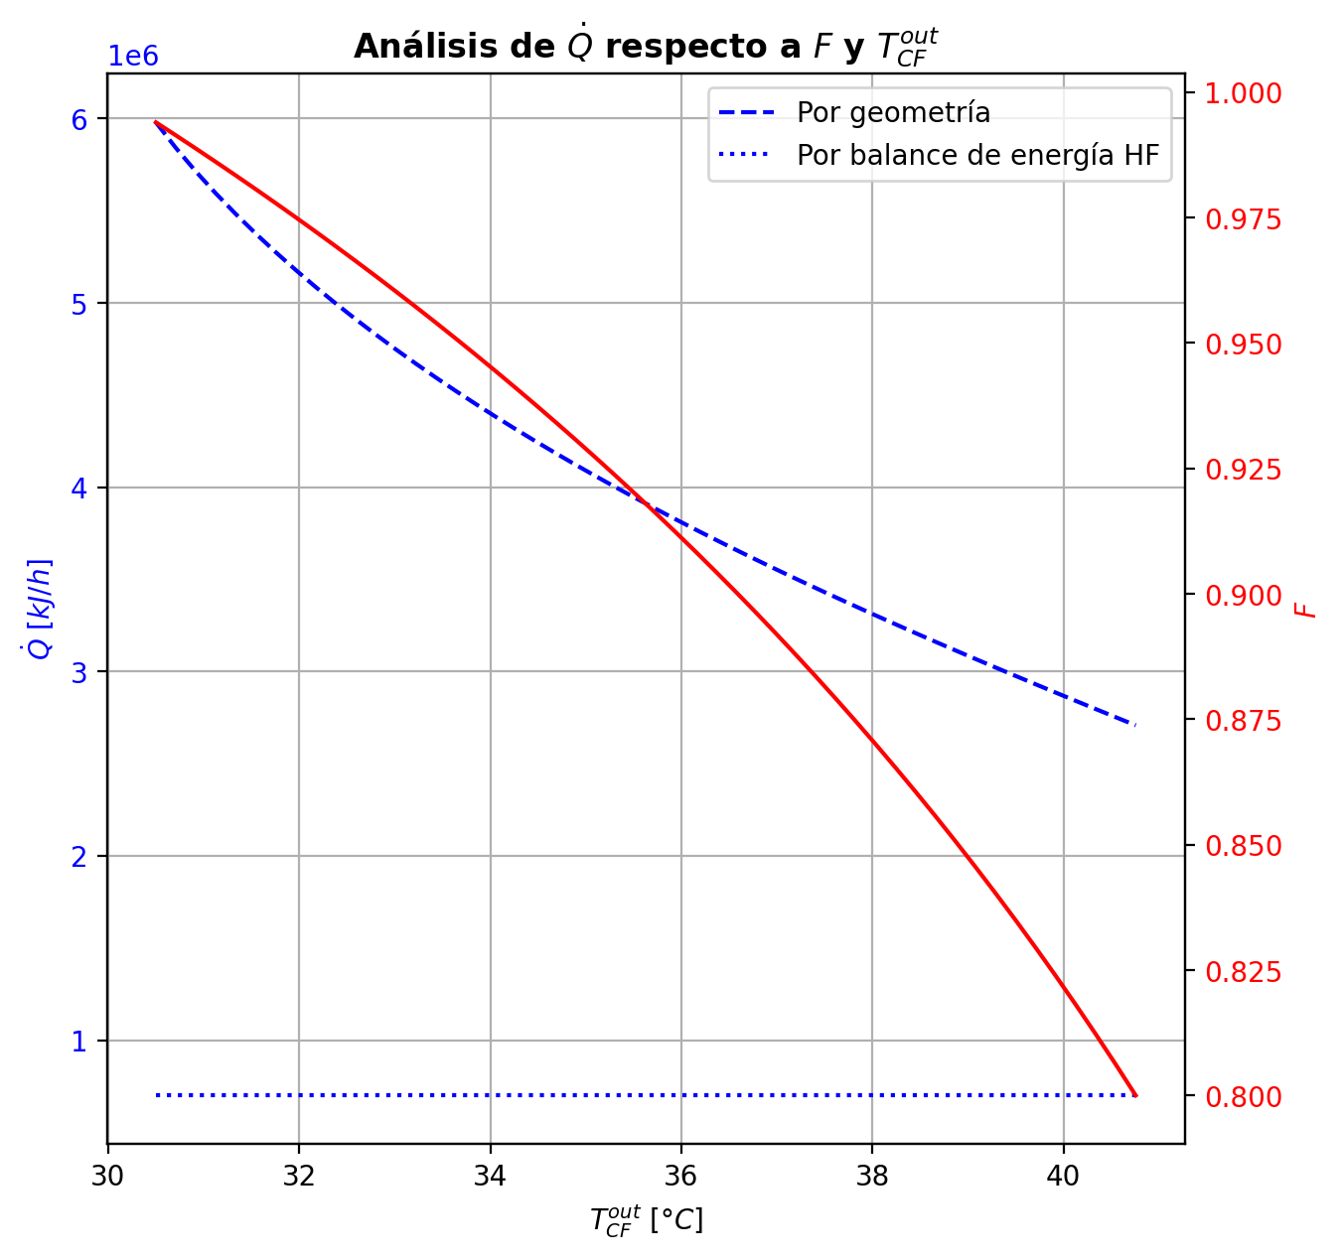
Etapas |  |  |  |  |  |  |  |  |  |  |  |  |  |  |  |  |  |  |  |  |  |  |  |  |  |  |  |  |  |  |  |  |  |  |  |  |  |  |  |  |  |  |  |  |  |  |  |  |  |  |  |  | Real | Simulación T [°C] |  | Ubicación
Ubicación de etapa |  |  |  | Flujos (cumplir balances de matería y energía ME) |  |  |  |  |  | Área R | Transferencia de masa RM |  |  |  |  |  |  |  |  |  |  |  |  |  |  |  |  |  |  | Transferencia de energía RE, cumplir equilibrio Q |  |  |  |  |  |  |  |  |  |  |  |  |  |  |  |  |  | Hidráulica H |  |  |  |  |  | g | l | Etapa | Posición [m]
Zona | s | z top [m] | z lower [m] | Fg [kmol/h] | Fl [kmol/h] | V [kmol/h] | L [kmol/h] | Vb [kmol/h] | Lb [kmol/h] | aefAtrZ [m2] | ya molar en Fg | xa molar en Fl | ya molar en V | yab molar | yaI molar | xaI molar | xab molar | xa molar en L | kbmg [m/h] | kbml [m/h] | Na [kmol/h] | Nw [kmol/h] | Nt [kmol/h] | Jag [kmol/h] | Γg,b≈1 | Ntyab [kmol/h] | Jal [kmol/h] | Γl,b | Ntxab [kmol/h] | Tg en Fg [°C] | Tl en Fl [°C] | Tg [°C] | Tg,b [°C] | TI [°C] | Tl,b [°C] | Tl [°C] | khg [kJ/h·m2·°C] | khl [kJ/h·m2·°C] | E [kJ/h] | Qg [kJ/h] | ΣNiĥig,b [kJ/h] | Ql [kJ/h] | ΣNiĥil,b [kJ/h] | hg en Fg [kJ/kmol] | hl en Fl [kJ/kmol] | hg en V [kJ/kmol] | hl en L [kJ/kmol] | P en Fg [bar] | P en Fl [bar] | P [bar] |  | TT1 [°C] | 199.0108 | - | 197.25693682 | 30 | 10.2497
Rectificación | 2 | 9.6416 | 9.6101 | - | - | 30.823982709 | 23.1238855 | 30.823982709 | 23.1238855 | 2.5568960821 | - | - | 0.94609006696 | 0.94609006696 | 0.99978147563 | 0.90828519421 | 0.93313212181 | 0.93313212181 | 3.9721596739 | 0.12989252332 | -0.93061774048 | 0.26368366873 | -0.66693407175 | -0.29963803989 | 1 | -0.63097970059 | -0.308280135 | 1.0431735639 | -0.62233760548 | - | - | 82.827488959 | 82.827488959 | 42.28147932 | 41.923642028 | 41.923642028 | 76.599632291 | 3269.5636244 | -14732.928542 | 7941.2319614 | -22674.160503 | 2991.4962993 | -17724.424841 | - | - | -55425.944781 | -81168.656665 | - | - | 14.7091358 |  | TT2 [°C] | 197.202 | 197.12974452 | 196.63620349 | 24 | 8.7696
Rectificación | 3 | 9.6101 | 9.5786 | - | - | 30.157048637 | 22.344644599 | 30.157048637 | 22.344644599 | 2.5566056122 | - | - | 0.93615414639 | 0.93615414639 | 0.99970966191 | 0.88807874308 | 0.91753248916 | 0.91753248916 | 3.9534093311 | 0.12433830598 | -1.0757029629 | 0.29646206175 | -0.77924090118 | -0.34621336226 | 1 | -0.72948960068 | -0.36072411922 | 1.0655796999 | -0.71497884372 | - | - | 88.347393382 | 88.347393382 | 43.366396265 | 43.088285227 | 43.088285227 | 74.717676875 | 3130.8607355 | -15735.337989 | 8592.4334418 | -24327.771431 | 2226.1053474 | -17961.443336 | - | - | -57140.249792 | -84703.520458 | - | - | 14.709138705 |  | TT3 [°C] | 188.3716 | 196.38719727 | 196.2254032 | 23 | 5.5946
Rectificación | 4 | 9.5786 | 9.5471 | - | - | 29.377807736 | 21.496998314 | 29.377807736 | 21.496998314 | 2.5555291108 | - | - | 0.92436928601 | 0.92436928601 | 0.99960684057 | 0.86402029829 | 0.89873765079 | 0.89873765079 | 3.9245062449 | 0.11819622205 | -1.181775615 | 0.3341293295 | -0.84764628549 | -0.39823742328 | 1 | -0.78353819171 | -0.41996398366 | 1.0948253226 | -0.76181163132 | - | - | 94.542495578 | 94.542495578 | 44.745114557 | 44.421746579 | 44.421746579 | 72.578530289 | 2980.0637727 | -19726.624746 | 9236.2462798 | -28962.871026 | 2462.65402 | -22189.278766 | - | - | -59191.504204 | -88961.103209 | - | - | 14.709141551 |  | TT4 [°C] | 47.7219 | 166.68167779 | 162.57704461 | 9 | 3.9246
Rectificación | 5 | 9.5471 | 9.5156 | - | - | 28.53016145 | 20.593600689 | 28.53016145 | 20.593600689 | 2.554256267 | - | - | 0.91041081529 | 0.91041081529 | 0.99945327083 | 0.83537668802 | 0.87605646763 | 0.87605646763 | 3.890592684 | 0.11182124196 | -1.2790046883 | 0.37560706349 | -0.90339762477 | -0.45654172016 | 1 | -0.8224629681 | -0.48757735624 | 1.1314990955 | -0.79142733202 | - | - | 101.46755108 | 101.46755108 | 46.520492406 | 46.104447241 | 46.104447241 | 70.293268904 | 2820.8448243 | -25098.566033 | 9865.5807878 | -34964.14682 | 2997.6722203 | -28096.238253 | - | - | -61641.545839 | -94082.393894 | - | - | 14.709144324 |  | TT5 [°C] | 93.3627 | 82.827488959 | - | 1 | 0
Rectificación | 6 | 9.5156 | 9.4841 | - | - | 27.626763826 | 19.644779042 | 27.626763826 | 19.644779042 | 2.5529159092 | - | - | 0.89388547331 | 0.89388547331 | 0.99921200476 | 0.8013504628 | 0.84864102017 | 0.84864102017 | 3.8527331888 | 0.10544574436 | -1.3697917477 | 0.42097010113 | -0.94882164653 | -0.52165386107 | 1 | -0.84813788659 | -0.56458277759 | 1.1766229085 | -0.80520897007 | - | - | 109.17660039 | 109.17660039 | 48.839225546 | 48.288008293 | 48.288008293 | 67.89297952 | 2655.7780747 | -31781.906371 | 10457.97957 | -42239.885941 | 3737.2408996 | -35519.14727 | - | - | -64565.71722 | -100244.30175 | - | - | 14.709147017
Rectificación | 7 | 9.4841 | 9.4526 | - | - | 26.677942179 | 18.665226043 | 26.677942179 | 18.665226043 | 2.5514712386 | - | - | 0.87433172146 | 0.87433172146 | 0.99880943095 | 0.76118605283 | 0.81547141274 | 0.81547141274 | 3.811499323 | 0.099360942374 | -1.4504070775 | 0.47085407768 | -0.97955299987 | -0.59395281691 | 1 | -0.85645426064 | -0.65160960889 | 1.2327843533 | -0.79879746866 | - | - | 117.71007336 | 117.71007336 | 51.911489395 | 51.169529471 | 51.169529471 | 65.400606242 | 2488.0521148 | -40120.085108 | 10979.6627 | -51099.747808 | 4710.1050994 | -44830.190208 | - | - | -68053.364651 | -107654.58927 | - | - | 14.709149622 |  |  |  | Rectificación | Agotamiento |  | Simbología
Rectificación | 8 | 9.4526 | 8.6966 | - | - | 25.698389179 | 14.328514294 | 25.698389179 | 14.328514294 | 61.067595073 | - | - | 0.85121926827 | 0.85121926827 | 0.91151411951 | 0.32455681099 | 0.34243014736 | 0.34243014736 | 3.767818654 | 0.11666668394 | -10.314442989 | 5.9777312402 | -4.3367117488 | -6.6229503874 | 1 | -3.6914926015 | -8.8294221458 | 1.5344711038 | -1.4850208432 | - | - | 127.08028718 | 127.08028718 | 116.67776913 | 116.35615142 | 116.35615142 | 62.847172172 | 1828.6820386 | -959171.56484 | 39924.090956 | -999095.6558 | 35916.083566 | -995087.64841 | - | - | -72208.565269 | -207179.10784 | - | - | 14.709152138 |  | Transferencia de masa | Na [kmol/h] | -21.492132782 | -7.659126801 |  | l-v
Rectificación | 9 | 8.6966 | 7.9406 | - | - | 21.36167743 | 14.425315915 | 21.36167743 | 14.425315915 | 58.761550369 | - | - | 0.54118039567 | 0.54118039567 | 0.57581455282 | 0.12333551667 | 0.12929577963 | 0.12929577963 | 3.4748002239 | 0.16067403909 | -3.0413827935 | 3.1381844144 | 0.096801620924 | -3.093769933 | 1 | 0.052387139513 | -3.0538988345 | 1.1657319015 | 0.012516041047 | - | - | 166.68167779 | 166.68167779 | 162.98370789 | 162.57704461 | 162.57704461 | 50.696876782 | 2151.2157279 | -613603.70396 | 11016.352452 | -624620.05641 | 51405.806205 | -665009.51016 | - | - | -131769.39809 | -248325.4116 | - | - | 14.709206407 |  |  | Nw [kmol/h] | 12.271013319 | 11.000218935 |  | v-l
Rectificación | 10 | 7.9406 | 7.9091 | - | - | 21.458479051 | 14.518077114 | 21.458479051 | 14.518077114 | 2.451845698 | - | - | 0.39700568852 | 0.39700568852 | 0.48189948336 | 0.095468055145 | 0.10892188688 | 0.10892188688 | 3.5984874369 | 0.16744470191 | -0.28379611448 | 0.37655731407 | 0.092761199589 | -0.32062283839 | 1 | 0.036826723911 | -0.29389983937 | 1.1414912019 | 0.010103724889 | - | - | 177.74387626 | 177.74387626 | 170.39401986 | 168.97905701 | 168.97905701 | 50.05696235 | 2231.2389957 | -77310.819314 | 902.062192 | -78212.881506 | 7740.7717858 | -85051.5911 | - | - | -159769.90135 | -252063.91332 | - | - | 14.709253107 |  |  | Nt [kmol/h] | -9.2211194635 | 3.3410921341
Rectificación | 11 | 7.9091 | 7.8776 | - | - | 21.551240251 | 14.550489193 | 21.551240251 | 14.550489193 | 2.4553956314 | - | - | 0.38212845479 | 0.38212845479 | 0.44034071641 | 0.08466161308 | 0.094318687328 | 0.094318687328 | 3.6235626317 | 0.16978829589 | -0.20895331252 | 0.24136539095 | 0.032412078432 | -0.22133888997 | 1 | 0.012385577448 | -0.21201037721 | 1.1264657341 | 0.0030570646913 | - | - | 178.65168994 | 178.65168994 | 173.35411033 | 172.574636 | 172.574636 | 50.187328041 | 2274.4085416 | -48382.106866 | 652.81938927 | -49034.926256 | 4353.0311247 | -52735.137991 | - | - | -162669.5197 | -254827.54491 | - | - | 14.709255143 |  |  | Jag [kmol/h] | -13.238288149 | -8.5396765032
Rectificación | 12 | 7.8776 | 7.8461 | - | - | 21.583652329 | 14.564151124 | 21.583652329 | 14.564151124 | 2.4578556026 | - | - | 0.37187352265 | 0.37187352265 | 0.41134410925 | 0.077565637526 | 0.084241885486 | 0.084241885486 | 3.6358953195 | 0.17077189466 | -0.14547148948 | 0.15913342029 | 0.013661930802 | -0.15055199982 | 1 | 0.0050805103338 | -0.14662239629 | 1.1163937657 | 0.0011509068102 | - | - | 179.30717169 | 179.30717169 | 175.32232667 | 174.83858711 | 174.83858711 | 50.203076473 | 2301.5786326 | -31524.772828 | 491.69764917 | -32016.470477 | 2736.4895312 | -34261.262359 | - | - | -164666.84846 | -256753.04927 | - | - | 14.709257199 |  |  | Ntyab [kmol/h] | -8.2538446333 | 0.88054970212
Rectificación | 13 | 7.8461 | 7.8146 | - | - | 21.59731426 | 14.569902393 | 21.59731426 | 14.569902393 | 2.4596362681 | - | - | 0.3649026559 | 0.3649026559 | 0.39138730675 | 0.072870727412 | 0.077406932499 | 0.077406932499 | 3.6433270639 | 0.17123974679 | -0.099100100088 | 0.10485136979 | 0.0057512697057 | -0.10119875368 | 1 | 0.0020986535904 | -0.099545288234 | 1.1095046782 | 0.00044518814589 | - | - | 179.80028688 | 179.80028688 | 176.63446552 | 176.32095916 | 176.32095916 | 50.193209678 | 2319.4552194 | -20572.820492 | 390.84293135 | -20963.663423 | 1788.5588604 | -22361.379352 | - | - | -166022.34597 | -258063.70764 | - | - | 14.709259263 |  |  | Jal [kmol/h] | -15.539813052 | -7.9957213875
Rectificación | 14 | 7.8146 | 7.7831 | - | - | 21.60306553 | 14.571252824 | 21.60306553 | 14.571252824 | 2.4609152498 | - | - | 0.36021819325 | 0.36021819325 | 0.37781850405 | 0.069759950126 | 0.07281306015 | 0.07281306015 | 3.6482989348 | 0.17146914944 | -0.066833942718 | 0.068184373767 | 0.0013504310496 | -0.06732039255 | 1 | 0.00048644983279 | -0.066932271735 | 1.1047953655 | 9.8329017241E-05 | - | - | 180.1920371 | 180.1920371 | 177.50793111 | 177.3019306 | 177.3019306 | 50.177106891 | 2331.1905758 | -13204.433475 | 331.43772349 | -13535.871199 | 1181.7965702 | -14386.230045 | - | - | -166930.45696 | -258945.98841 | - | - | 14.709261332 |  |  | Ntxab [kmol/h] | -5.9523197299 | 0.33659458649
Rectificación | 15 | 7.7831 | 7.7516 | - | - | 21.604415961 | 14.569700109 | 21.604415961 | 14.569700109 | 2.4618230069 | - | - | 0.35710214546 | 0.35710214546 | 0.36867705025 | 0.067699400226 | 0.069742362034 | 0.069742362034 | 3.6518379919 | 0.17157152446 | -0.044852208644 | 0.043299493069 | -0.0015527155752 | -0.044297730581 | 1 | -0.00055447806319 | -0.044743918593 | 1.1015968633 | -0.00010829005178 | - | - | 180.5242098 | 180.5242098 | 178.08819462 | 177.95227967 | 177.95227967 | 50.158813924 | 2338.7195985 | -8197.4828474 | 300.80432407 | -8498.2871715 | 782.5321691 | -8980.0150165 | - | - | -167531.21402 | -259536.22378 | - | - | 14.709263405 |  | Transferencia de energía | E [kJ/h] | -1919163.1534 | -2293083.9826
Agotamiento | 16 | 6.8706 | 6.8041 | - | 31.867507426 | 21.602863245 | 48.06723815 | 21.602863245 | 48.06723815 | 4.3079323697 | - | 0.209146 | 0.35505159642 | 0.35505159642 | 0.5922005723 | 0.12880082909 | 0.13879999011 | 0.13879999011 | 3.6545030412 | 0.52227687373 | -1.0093548278 | 2.6393854428 | 1.630030615 | -1.5880997999 | 1 | 0.57874497207 | -1.235603061 | 1.1792021288 | 0.22624823325 | - | 121.3582874 | 180.82575518 | 180.82575518 | 161.56887468 | 159.00470667 | 159.00470667 | 50.138973252 | 7045.4916298 | -583551.99388 | 4159.3957925 | -587711.38967 | 77826.349289 | -661378.34316 | - | -235034.43271 | -167922.7182 | -246631.15519 | - | 18.6326 | 14.70926548 |  |  | Qg [kJ/h] | 111083.24236 | 18595.68063
Agotamiento | 17 | 6.8041 | 6.7376 | - | - | 23.23289386 | 48.555061272 | 23.23289386 | 48.555061272 | 4.3549511226 | - | - | 0.28669593615 | 0.28669593615 | 0.49240974701 | 0.098332853419 | 0.10930109213 | 0.10930109213 | 3.9763763577 | 0.55715655445 | -1.3646109544 | 1.852434077 | 0.48782312262 | -1.5044678612 | 0.99999999999 | 0.13985690681 | -1.4179305545 | 1.1423189016 | 0.05331960007 | - | - | 184.71201287 | 184.71201287 | 169.61727633 | 168.44397136 | 168.44397136 | 53.525754115 | 7443.872574 | -382410.76155 | 3518.6139262 | -385929.37548 | 38035.849905 | -420446.61146 | - | - | -181258.67299 | -252029.1173 | - | - | 14.70927129 |  |  | ΣNiĥig,b [kJ/h] | -2030246.3958 | -2311679.6632
Agotamiento | 18 | 6.7376 | 6.6711 | - | - | 23.720716983 | 48.85911485 | 23.720716983 | 48.85911485 | 4.375553976 | - | - | 0.22327172084 | 0.22327172084 | 0.39570108739 | 0.07387325775 | 0.083418303651 | 0.083418303651 | 4.101247229 | 0.57596494476 | -1.231376747 | 1.5354303242 | 0.30405357729 | -1.2992633124 | 1 | 0.067886565428 | -1.2567403806 | 1.1152542671 | 0.025363633637 | - | - | 187.93487785 | 187.93487785 | 176.35370829 | 175.5104779 | 175.5104779 | 54.335581862 | 7744.2425824 | -313153.15532 | 2753.403042 | -315906.55837 | 28573.158037 | -341726.31336 | - | - | -193652.42103 | -256870.03187 | - | - | 14.709277898 |  |  | Ql [kJ/h] | 125030.3437 | 232151.44813
Agotamiento | 19 | 6.6711 | 6.6046 | - | - | 24.02477056 | 49.103182393 | 24.02477056 | 49.103182393 | 4.393494381 | - | - | 0.16919156598 | 0.16919156598 | 0.30703357685 | 0.05447371924 | 0.062249630235 | 0.062249630235 | 4.1879956069 | 0.58847455496 | -1.0190895313 | 1.2631570746 | 0.24406754333 | -1.0603837012 | 1 | 0.041294169859 | -1.0342826456 | 1.0928426022 | 0.015193114324 | - | - | 190.42259556 | 190.42259556 | 181.84059021 | 181.18753888 | 181.18753888 | 54.839903597 | 7999.8394686 | -257671.35301 | 2067.738142 | -259739.09115 | 22952.958295 | -280624.31131 | - | - | -204236.18263 | -260840.8074 | - | - | 14.709284799 |  |  | ΣNiĥil,b [kJ/h] | -2044193.4971 | -2525235.4307
Agotamiento | 20 | 6.6046 | 6.5381 | - | - | 24.268838103 | 49.296776724 | 24.268838103 | 49.296776724 | 4.4101011982 | - | - | 0.1254983452 | 0.1254983452 | 0.23142530099 | 0.039592973005 | 0.045681884568 | 0.045681884568 | 4.2573697079 | 0.59673345904 | -0.80468528348 | 0.99827961457 | 0.19359433109 | -0.82898105167 | 1 | 0.024295768192 | -0.81352903737 | 1.0733909586 | 0.0088437538856 | - | - | 192.2635276 | 192.2635276 | 186.10316129 | 185.60987412 | 185.60987412 | 55.326561128 | 8212.3664233 | -203902.05021 | 1503.1030969 | -205405.1533 | 17865.5627 | -221767.61291 | - | - | -212799.58928 | -263952.66904 | - | - | 14.709291895
Agotamiento | 21 | 6.5381 | 6.4716 | - | - | 24.462432435 | 49.443914312 | 24.462432435 | 49.443914312 | 4.4243628854 | - | - | 0.091610421183 | 0.091610421183 | 0.1707190629 | 0.028490790748 | 0.033122604018 | 0.033122604018 | 4.3115020171 | 0.60196309244 | -0.61425846903 | 0.76139605659 | 0.14713758756 | -0.62773780539 | 1 | 0.013479336368 | -0.61913204908 | 1.0566898628 | 0.0048735800489 | - | - | 193.57922255 | 193.57922255 | 189.29200153 | 188.93059663 | 188.93059663 | 55.796971675 | 8382.3720554 | -155677.49063 | 1058.3693214 | -156735.85996 | 13403.299037 | -169080.78967 | - | - | -219450.81894 | -266315.75322 | - | - | 14.709299143 |  | Hidráulica | ΔP [bar] en C-1 | 0.12543737632
Agotamiento | 22 | 6.4716 | 4.8756 | - | - | 24.609570022 | 49.632292914 | 24.609570022 | 49.632292914 | 106.6939736 | - | - | 0.066102547424 | 0.066102547424 | 0.071594105126 | 0.011571518729 | 0.011902549267 | 0.011902549267 | 4.3520279375 | 0.60603034705 | -1.0469603832 | 1.2353389858 | 0.18837860264 | -1.0594126887 | 1 | 0.012452305515 | -1.0492025688 | 1.0229367338 | 0.0022421855987 | - | - | 194.48844933 | 194.48844933 | 194.11978051 | 194.09731248 | 194.09731248 | 56.229114393 | 8671.90774 | -250269.36431 | 2211.7576847 | -252481.122 | 20788.322106 | -271057.68642 | - | - | -224464.64187 | -270347.42622 | - | - | 14.709306507
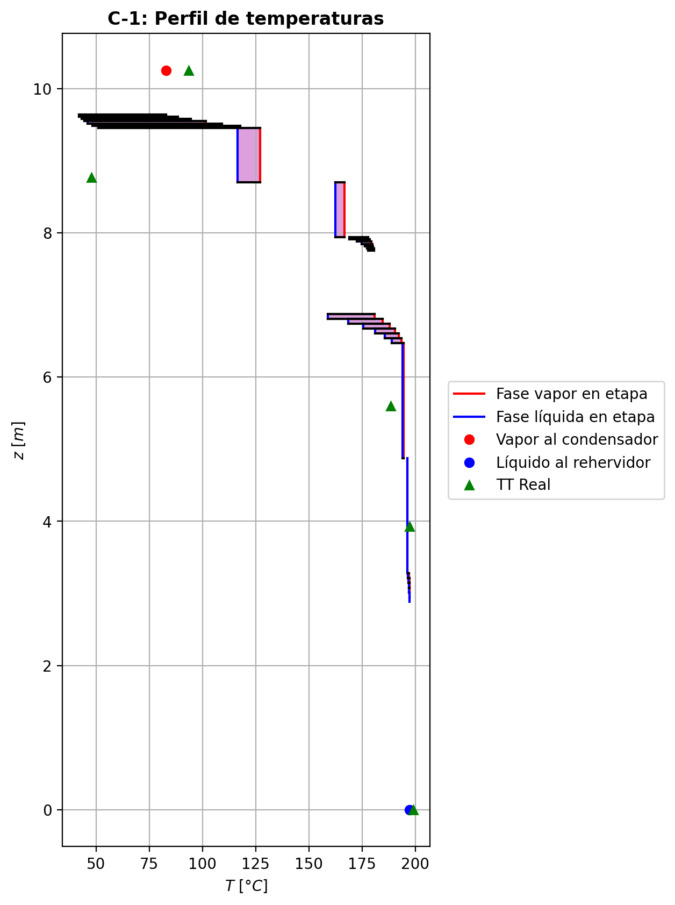
Agotamiento | 23 | 4.8756 | 3.2796 | - | - | 24.797948625 | 49.728637978 | 24.797948625 | 49.728637978 | 107.01516921 | - | - | 0.02338076004 | 0.02338076004 | 0.025350676953 | 0.004053332824 | 0.0041747961636 | 0.0041747961636 | 4.4142133157 | 0.60864269001 | -0.38314388458 | 0.47948894819 | 0.096345063605 | -0.38539650539 | 1 | 0.0022526208132 | -0.38354610558 | 1.0084128484 | 0.00040222100192 | - | - | 196.38719727 | 196.38719727 | 196.23448698 | 196.2254032 | 196.2254032 | 56.965332788 | 8799.0460614 | -98107.975743 | 930.9455185 | -99038.921261 | 8553.5715025 | -106661.54725 | - | - | -232851.82872 | -271796.5175 | - | - | 14.709485086
Agotamiento | 24 | 3.2796 | 3.2131 | - | - | 24.894293688 | 49.753226896 | 24.894293688 | 49.753226896 | 4.4631896495 | - | - | 0.0078994408982 | 0.0078994408982 | 0.015441825548 | 0.0024643224389 | 0.0029333618689 | 0.0029333618689 | 4.4424841591 | 0.6095032044 | -0.061662708421 | 0.086251626316 | 0.024588917895 | -0.061856947124 | 1 | 0.00019423870367 | -0.061734836615 | 1.0059529612 | 7.2128194152E-05 | - | - | 197.12974452 | 197.12974452 | 196.67814716 | 196.63620349 | 196.63620349 | 57.366661718 | 8823.5236721 | -17990.460423 | 115.6262157 | -18106.086639 | 1651.7860912 | -19642.246514 | - | - | -235891.63586 | -272023.78473 | - | - | 14.709666759
Agotamiento | 25 | 3.2131 | 3.1466 | - | - | 24.918882606 | 49.763184574 | 24.918882606 | 49.763184574 | 4.4647440467 | - | - | 0.0054171086002 | 0.0054171086002 | 0.010767255296 | 0.0017168763134 | 0.0020507478163 | 0.0020507478163 | 4.4483369205 | 0.60967984859 | -0.04389247653 | 0.053850154978 | 0.0099576784473 | -0.043946418355 | 1 | 5.3941825555E-05 | -0.043912897218 | 1.004183683 | 2.0420687332E-05 | - | - | 197.21867607 | 197.21867607 | 196.88606461 | 196.86295627 | 196.86295627 | 57.462832625 | 8837.9171724 | -11012.569215 | 85.333743891 | -11097.902959 | 911.83309519 | -11924.40231 | - | - | -236380.82875 | -272190.65194 | - | - | 14.709674391
Agotamiento | 26 | 3.1466 | 3.0801 | - | - | 24.928840285 | 49.769430517 | 24.928840285 | 49.769430517 | 4.4656529035 | - | - | 0.0036542340399 | 0.0036542340399 | 0.0074486745182 | 0.0011870359631 | 0.0014242285257 | 0.0014242285257 | 4.4511773403 | 0.60975997853 | -0.031168699452 | 0.037414642307 | 0.0062459428557 | -0.031191523588 | 1 | 2.2824136995E-05 | -0.031177595102 | 1.0029164641 | 8.8956499847E-06 | - | - | 197.28393649 | 197.28393649 | 197.03324669 | 197.01751743 | 197.01751743 | 57.514502098 | 8847.8681557 | -7621.174404 | 64.387119135 | -7685.5615231 | 621.48686717 | -8242.6612712 | - | - | -236728.16801 | -272309.6223 | - | - | 14.709682037
Agotamiento | 27 | 3.0801 | 3.0136 | - | - | 24.935086228 | 49.77365513 | 24.935086228 | 49.77365513 | 4.4662791816 | - | - | 0.0024033250475 | 0.0024033250475 | 0.005093627159 | 0.00081141001912 | 0.00097977424686 | 0.00097977424686 | 4.4530760771 | 0.60980940833 | -0.02211609718 | 0.026340709815 | 0.0042246126348 | -0.022126250297 | 1 | 1.0153117361E-05 | -0.022120236346 | 1.0020116957 | 4.1391666626E-06 | - | - | 197.33297593 | 197.33297593 | 197.13748881 | 197.12641742 | 197.12641742 | 57.549276916 | 8854.8977638 | -5354.274117 | 50.246275681 | -5404.5203927 | 437.85624437 | -5792.1303614 | - | - | -236974.51101 | -272394.08207 | - | - | 14.709689688
Agotamiento | 28 | 3.0136 | 2.9471 | - | - | 24.93931084 | 49.776483581 | 24.93931084 | 49.776483581 | 4.4667205832 | - | - | 0.0015161212896 | 0.0015161212896 | 0.0034231664267 | 0.00054515762946 | 0.00066459974304 | 0.00066459974304 | 4.4544225492 | 0.60984115656 | -0.015685507271 | 0.018513958608 | 0.0028284513371 | -0.015689795546 | 1 | 4.2882752888E-06 | -0.015687387059 | 1.0013671605 | 1.8797880318E-06 | - | - | 197.37113407 | 197.37113407 | 197.21132976 | 197.20349879 | 197.20349879 | 57.573056662 | 8859.8628025 | -3752.3149096 | 41.095716615 | -3793.4106262 | 309.90723651 | -4062.2221461 | - | - | -237149.06068 | -272453.9871 | - | - | 14.709697344
Agotamiento | 29 | 2.9471 | 2.8806 | 24.943955379 | - | 24.942139292 | 49.778299669 | 24.942139292 | 49.778299669 | 4.4670317511 | 0.00044116024273 | - | 0.00088707358194 | 0.00088707358194 | 0.0022387040883 | 0.00035645741192 | 0.00044116024273 | 0.00044116024273 | 4.4553916196 | 0.60986084443 | -0.011121231433 | 0.012937319196 | 0.0018160877625 | -0.011122842436 | 1 | 1.6110034766E-06 | -0.011122032619 | 1.0009087401 | 8.011857181E-07 | 197.74248036 | - | 197.4022808 | 197.4022808 | 197.26364182 | 197.2580977 | 197.2580977 | 57.588829987 | 8863.3547235 | -2609.0448536 | 35.665035131 | -2644.7098888 | 219.50772202 | -2828.5525756 | -237359.92987 | - | -237272.60864 | -272496.46031 | 14.834573176 | - | 14.709705001

